C5375
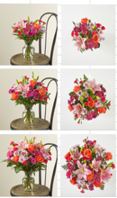
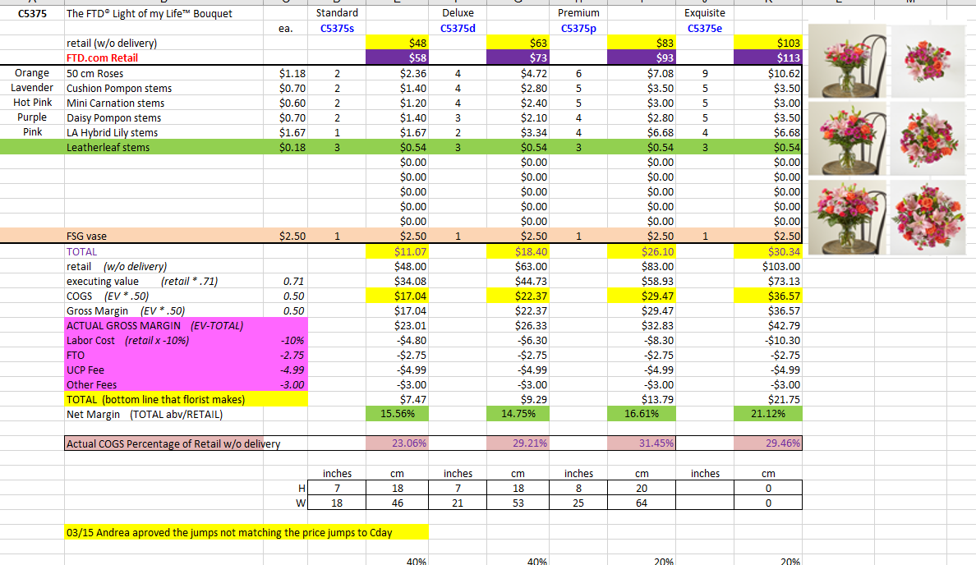
C5375 | The FTD® Light of my Life™ Bouquet |  | Standard |  | Deluxe |  | Premium |  | Exquisite
 |  | ea. | C5375s |  | C5375d |  | C5375p |  | C5375e
 | retail (w/o delivery) |  |  | $48 |  | $63 |  | $83 |  | $103
 | FTD.com Retail |  |  | $58 |  | $73 |  | $93 |  | $113
Orange | 50 cm Roses | $1.18 | 2 | $2.36 | 4 | $4.72 | 6 | $7.08 | 9 | $10.62
Lavender | Cushion Pompon stems | $0.70 | 2 | $1.40 | 4 | $2.80 | 5 | $3.50 | 5 | $3.50
Hot Pink | Mini Carnation stems | $0.60 | 2 | $1.20 | 4 | $2.40 | 5 | $3.00 | 5 | $3.00
Purple | Daisy Pompon stems | $0.70 | 2 | $1.40 | 3 | $2.10 | 4 | $2.80 | 5 | $3.50
Pink | LA Hybrid Lily stems | $1.67 | 1 | $1.67 | 2 | $3.34 | 4 | $6.68 | 4 | $6.68
 | Leatherleaf stems | $0.18 | 3 | $0.54 | 3 | $0.54 | 3 | $0.54 | 3 | $0.54
 |  |  |  | $0.00 |  | $0.00 |  | $0.00 |  | $0.00
 |  |  |  | $0.00 |  | $0.00 |  | $0.00 |  | $0.00
 |  |  |  | $0.00 |  | $0.00 |  | $0.00 |  | $0.00
 |  |  |  | $0.00 |  | $0.00 |  | $0.00 |  | $0.00
 |  |  |  | $0.00 |  | $0.00 |  | $0.00 |  | $0.00
 | FSG vase | $2.50 | 1 | $2.50 | 1 | $2.50 | 1 | $2.50 | 1 | $2.50
 | TOTAL |  |  | $11.07 |  | $18.40 |  | $26.10 |  | $30.34
 | retail (w/o delivery) |  |  | $48.00 |  | $63.00 |  | $83.00 |  | $103.00
 | executing value (retail * .71) | 0.71 |  | $34.08 |  | $44.73 |  | $58.93 |  | $73.13
 | COGS (EV * .50) | 0.50 |  | $17.04 |  | $22.37 |  | $29.47 |  | $36.57
 | Gross Margin (EV * .50) | 0.50 |  | $17.04 |  | $22.37 |  | $29.47 |  | $36.57
 | ACTUAL GROSS MARGIN (EV-TOTAL) |  |  | $23.01 |  | $26.33 |  | $32.83 |  | $42.79
 | Labor Cost (retail x -10%) | -10% |  | -$4.80 |  | -$6.30 |  | -$8.30 |  | -$10.30
 | FTO | -2.75 |  | -$2.75 |  | -$2.75 |  | -$2.75 |  | -$2.75
 | UCP Fee | -4.99 |  | -$4.99 |  | -$4.99 |  | -$4.99 |  | -$4.99
 | Other Fees | -3.00 |  | -$3.00 |  | -$3.00 |  | -$3.00 |  | -$3.00
 | TOTAL (bottom line that florist makes) |  |  | $7.47 |  | $9.29 |  | $13.79 |  | $21.75
 | Net Margin (TOTAL abv/RETAIL) |  |  | 15.56% |  | 14.75% |  | 16.61% |  | 21.12%

 | Actual COGS Percentage of Retail w/o delivery |  |  | 23.06% |  | 29.21% |  | 31.45% |  | 29.46%

 |  |  | inches | cm | inches | cm | inches | cm | inches | cm
 |  | H | 7 | 18 | 7 | 18 | 8 | 20 |  | 0
 |  | W | 18 | 46 | 21 | 53 | 25 | 64 |  | 0

 | 03/15 Andrea aproved the jumps not matching the price jumps to Cday

 |  |  |  | 40% |  | 40% |  | 20% |  | 20%
 |  |  |  | #REF! |  | #REF! |  | #REF! |  | #REF!
EDAY 2023 PRICING
 |  | NEW 2023 |  | CDAY 2023
 | Alstroemeria stems | $0.62 | -$0.29 | $0.91
 | Asiatic Lily stems | $1.47 | -$0.07 | $1.54
 | Button Pompon stems | $0.63 | -$0.12 | $0.75
 | Cushion Pompon stems | $0.63 | -$0.12 | $0.75
 | Daisy Pompon stems | $0.63 | -$0.12 | $0.75
 | Double Lisianthus stems | $1.28 | -$0.32 | $1.60
 | Delphinium stems, Belladonna | $1.06 | -$0.44 | $1.50
 | Delphinium stems, hybrid | $1.26 | -$0.92 | $2.18
 | Disbud Stem | $0.84 | -$0.13 | $0.97
 | Gerbera Daisies | $1.14 | -$0.36 | $1.50
Blue | Hydrangea blooms | $2.30 | $0.02 | $2.28
Green | Mini Hydrangea blooms | $1.69 | $0.05 | $1.64
White | Hydrangea blooms | $2.14 | $0.00 | $2.14
 | Hypericum Berry stems | $0.77 | -$0.13 | $0.90
 | Iris stems | $1.13 | -$0.07 | $1.20
 | LA Hybrid Lily stems | $1.47 | -$0.17 | $1.64
 | Limonium Blue stream | $0.84 | -$0.31 | $1.15
 | Limonium Misty Blue | $0.84 |  | $1.41
 | Matsumoto Aster stems | $0.79 | -$0.05 | $0.84
 | Mini Calla Lilies | $1.65 | -$0.77 | $2.42
 | Mini Carnation stems | $0.51 | -$0.18 | $0.69
 | Monte Casino stems | $0.66 | $0.00 | $0.66
White | Queen Anne's Lace | $1.29 |  | $1.25
 | Ranunculus | $1.64 |  | $2.85
Orange | 50 cm Roses | $0.96 | -$0.08 | $1.04
Yellow | 50 cm Roses | $0.96 | -$0.12 | $1.08
Peach | 50 cm Roses | $0.96 | -$0.12 | $1.08
Pink | 50 cm Roses | $0.96 | -$0.19 | $1.15
Lavender | 50 cm Roses | $0.96 | -$0.12 | $1.08
White | 50 cm Roses | $0.96 | -$0.32 | $1.28
Red | 50 cm Roses | $0.87 | -$0.31 | $1.18
 | Snapdragon stems | $0.92 | -$0.28 | $1.20
 | Solidago stems | $0.63 | $0.06 | $0.57
 | Spider Mums | $0.84 | $0.00 | $0.84
 | Spray Rose stems | $0.90 | -$0.52 | $1.42
 | Standard Carnations | $0.53 | -$0.18 | $0.71
 | Star of Bethlehem stems | $0.85 |  | $1.18
 | Statice stems | $0.59 | -$0.15 | $0.74
 | Stock stems | $0.85 | -$0.13 | $0.98
 | Sweet William | $0.77 | -$0.25 | $1.02
 | Eryngium thistle stems | $1.40 | -$0.30 | $1.70
Green | Trick Dianthus stems | $0.94 | -$0.16 | $1.10
 | Waxflower stems | $1.41 | -$0.19 | $1.60

 | Baby Blue Eucalyptus stems | $0.99 | -$0.01 | $1.00
 | Dusty Miller Stems | $0.98 |  | $1.05
 | Gunni Eucalyptus stems | $1.09 | -$0.19 | $1.28
 | Silver dollar Eucalyptus stems | $2.10 | $0.00 | $2.10
 | Green Pittosporum stems | $0.67 | -$0.04 | $0.71
 | Israeli Ruscus stems | $0.35 | -$0.05 | $0.40
 | Italian Variegated Pittosporum stems | $0.82 | -$0.08 | $0.90
 | Salal tips | $0.26 | -$0.02 | $0.28
 | Seeded Eucalyptus stems | $2.10 | -$0.03 | $2.13
 | Variegated Pittosporum stems | $0.69 | -$0.05 | $0.74
 | Silver dollar Eucalyptus stems | $1.80 | $0.02 | $1.78
 | Green Pittosporum stems | $0.65 | $0.00 | $0.65
 | Israeli Ruscus stems | $0.37 | -$0.02 | $0.39
 | Italian Ruscus stems | $1.97 | $0.20 | $1.77
 | Italian Variegated Pittosporum stems | $1.03 | $0.13 | $0.90
 | Ivy vines | $0.65 | -$0.08 | $0.73
 | Leatherleaf stems | $0.17 | $0.00 | $0.17
 | Lily Grass blades | $0.34 | $0.00 | $0.34
 | Mini Myrtle stems | $0.95 | -$0.02 | $0.97
 | Myrtle stems | $0.80 | -$0.08 | $0.88
 | Salal stems | $0.44 | -$0.02 | $0.46
 | Salal tips | $0.23 | -$0.02 | $0.25
 | Seeded Eucalyptus stems | $1.80 | $0.02 | $1.78
 | Sword Fern fronds | $0.55 | $0.04 | $0.51
 | Ti leaves | $0.46 | -$0.01 | $0.47
 | Variegated Aspidistra leaves | $0.74 | -$0.04 | $0.78
 | Variegated Pittosporum stems | $0.67 | -$0.23 | $0.90

 | Hardgoods
 | Small Gold Dipped Vase | 7.17
 | Large Gold Dipped Vase | 11.75
 | Small Cinched Vase | 5.12
 | Large Cinched Vase | 5.94
 | White Wooded Box | 6.96
 | Brown Wood Box | 7

B59
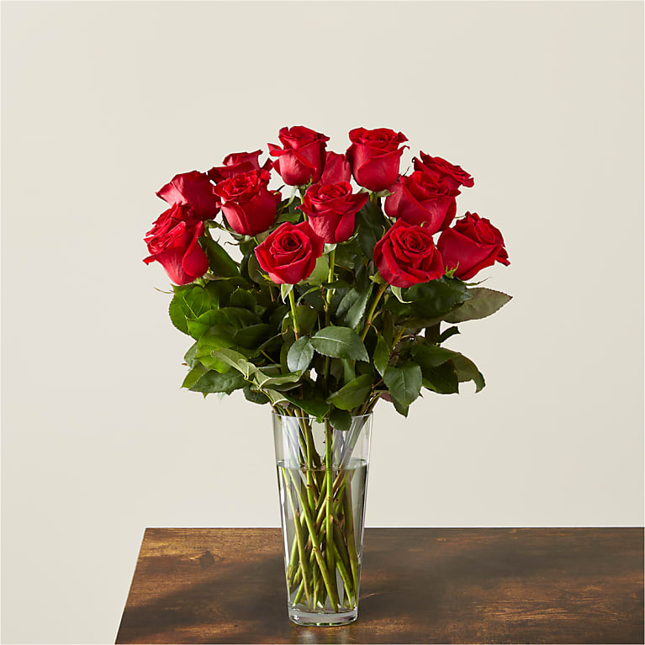
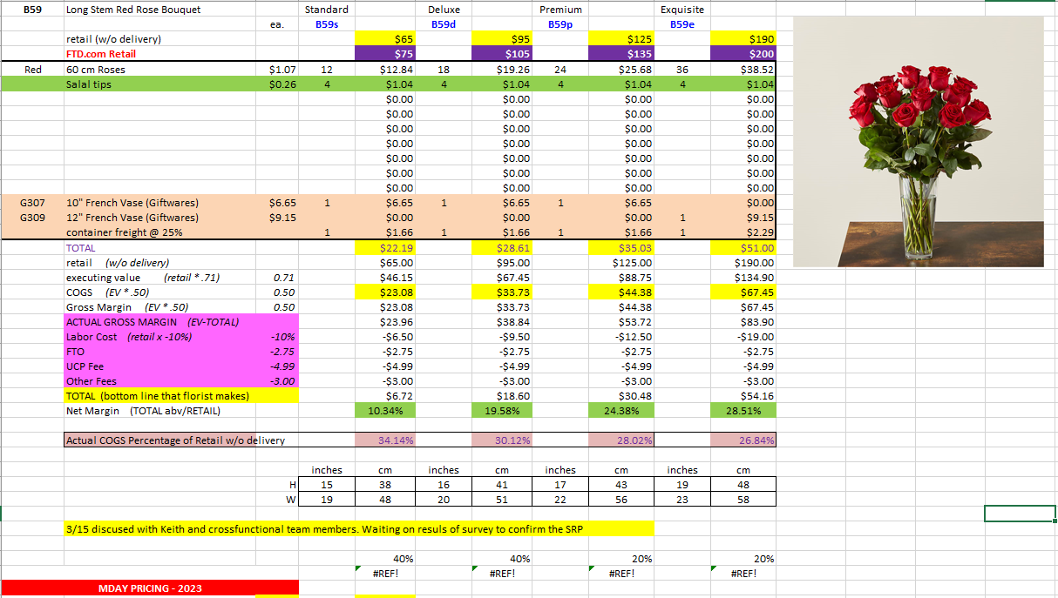
B59 | Long Stem Red Rose Bouquet |  | Standard |  | Deluxe |  | Premium |  | Exquisite
 |  | ea. | B59s |  | B59d |  | B59p |  | B59e
 | retail (w/o delivery) |  |  | $65 |  | $95 |  | $125 |  | $190
 | FTD.com Retail |  |  | $75 |  | $105 |  | $135 |  | $200
Red | 60 cm Roses | $1.07 | 12 | $12.84 | 18 | $19.26 | 24 | $25.68 | 36 | $38.52
 | Salal tips | $0.26 | 4 | $1.04 | 4 | $1.04 | 4 | $1.04 | 4 | $1.04
 |  |  |  | $0.00 |  | $0.00 |  | $0.00 |  | $0.00
 |  |  |  | $0.00 |  | $0.00 |  | $0.00 |  | $0.00
 |  |  |  | $0.00 |  | $0.00 |  | $0.00 |  | $0.00
 |  |  |  | $0.00 |  | $0.00 |  | $0.00 |  | $0.00
 |  |  |  | $0.00 |  | $0.00 |  | $0.00 |  | $0.00
 |  |  |  | $0.00 |  | $0.00 |  | $0.00 |  | $0.00
 |  |  |  | $0.00 |  | $0.00 |  | $0.00 |  | $0.00
G307 | 10" French Vase (Giftwares) | $6.65 | 1 | $6.65 | 1 | $6.65 | 1 | $6.65 |  | $0.00
G309 | 12" French Vase (Giftwares) | $9.15 |  | $0.00 |  | $0.00 |  | $0.00 | 1 | $9.15
 | container freight @ 25% |  | 1 | $1.66 | 1 | $1.66 | 1 | $1.66 | 1 | $2.29
 | TOTAL |  |  | $22.19 |  | $28.61 |  | $35.03 |  | $51.00
 | retail (w/o delivery) |  |  | $65.00 |  | $95.00 |  | $125.00 |  | $190.00
 | executing value (retail * .71) | 0.71 |  | $46.15 |  | $67.45 |  | $88.75 |  | $134.90
 | COGS (EV * .50) | 0.50 |  | $23.08 |  | $33.73 |  | $44.38 |  | $67.45
 | Gross Margin (EV * .50) | 0.50 |  | $23.08 |  | $33.73 |  | $44.38 |  | $67.45
 | ACTUAL GROSS MARGIN (EV-TOTAL) |  |  | $23.96 |  | $38.84 |  | $53.72 |  | $83.90
 | Labor Cost (retail x -10%) | -10% |  | -$6.50 |  | -$9.50 |  | -$12.50 |  | -$19.00
 | FTO | -2.75 |  | -$2.75 |  | -$2.75 |  | -$2.75 |  | -$2.75
 | UCP Fee | -4.99 |  | -$4.99 |  | -$4.99 |  | -$4.99 |  | -$4.99
 | Other Fees | -3.00 |  | -$3.00 |  | -$3.00 |  | -$3.00 |  | -$3.00
 | TOTAL (bottom line that florist makes) |  |  | $6.72 |  | $18.60 |  | $30.48 |  | $54.16
 | Net Margin (TOTAL abv/RETAIL) |  |  | 10.34% |  | 19.58% |  | 24.38% |  | 28.51%

 | Actual COGS Percentage of Retail w/o delivery |  |  | 34.14% |  | 30.12% |  | 28.02% |  | 26.84%

 |  |  | inches | cm | inches | cm | inches | cm | inches | cm
 |  | H | 15 | 38 | 16 | 41 | 17 | 43 | 19 | 48
 |  | W | 19 | 48 | 20 | 51 | 22 | 56 | 23 | 58

 |  |  |  | 40% |  | 40% |  | 20% |  | 20%
 |  |  |  | #REF! |  | #REF! |  | #REF! |  | #REF!

EDAY 2023 PRICING
 |  | NEW 2023 |  | CDAY 2023
 | Alstroemeria stems | $0.62 | -$0.29 | $0.91
 | Asiatic Lily stems | $1.47 | -$0.07 | $1.54
 | Button Pompon stems | $0.63 | -$0.12 | $0.75
 | Cushion Pompon stems | $0.63 | -$0.12 | $0.75
 | Daisy Pompon stems | $0.63 | -$0.12 | $0.75
 | Double Lisianthus stems | $1.28 | -$0.32 | $1.60
 | Delphinium stems, Belladonna | $1.06 | -$0.44 | $1.50
 | Delphinium stems, hybrid | $1.26 | -$0.92 | $2.18
 | Disbud Stem | $0.84 | -$0.13 | $0.97
 | Gerbera Daisies | $1.14 | -$0.36 | $1.50
Blue | Hydrangea blooms | $2.30 | $0.02 | $2.28
Green | Mini Hydrangea blooms | $1.69 | $0.05 | $1.64
White | Hydrangea blooms | $2.14 | $0.00 | $2.14
 | Hypericum Berry stems | $0.77 | -$0.13 | $0.90
 | Iris stems | $1.13 | -$0.07 | $1.20
 | LA Hybrid Lily stems | $1.47 | -$0.17 | $1.64
 | Limonium Blue stream | $0.84 | -$0.31 | $1.15
 | Limonium Misty Blue | $0.84 |  | $1.41
 | Matsumoto Aster stems | $0.79 | -$0.05 | $0.84
 | Mini Calla Lilies | $1.65 | -$0.77 | $2.42
 | Mini Carnation stems | $0.51 | -$0.18 | $0.69
 | Monte Casino stems | $0.66 | $0.00 | $0.66
White | Queen Anne's Lace | $1.29 |  | $1.25
 | Ranunculus | $1.64 |  | $2.85
Orange | 50 cm Roses | $0.96 | -$0.08 | $1.04
Yellow | 50 cm Roses | $0.96 | -$0.12 | $1.08
Peach | 50 cm Roses | $0.96 | -$0.12 | $1.08
Pink | 50 cm Roses | $0.96 | -$0.19 | $1.15
Lavender | 50 cm Roses | $0.96 | -$0.12 | $1.08
White | 50 cm Roses | $0.96 | -$0.32 | $1.28
Red | 50 cm Roses | $0.87 | -$0.31 | $1.18
 | Snapdragon stems | $0.92 | -$0.28 | $1.20
 | Solidago stems | $0.63 | $0.06 | $0.57
 | Spider Mums | $0.84 | $0.00 | $0.84
 | Spray Rose stems | $0.90 | -$0.52 | $1.42
 | Standard Carnations | $0.53 | -$0.18 | $0.71
 | Star of Bethlehem stems | $0.85 |  | $1.18
 | Statice stems | $0.59 | -$0.15 | $0.74
 | Stock stems | $0.85 | -$0.13 | $0.98
 | Sweet William | $0.77 | -$0.25 | $1.02
 | Eryngium thistle stems | $1.40 | -$0.30 | $1.70
Green | Trick Dianthus stems | $0.94 | -$0.16 | $1.10
 | Waxflower stems | $1.41 | -$0.19 | $1.60

 | Baby Blue Eucalyptus stems | $0.99 | -$0.01 | $1.00
 | Dusty Miller Stems | $0.98 |  | $1.05
 | Gunni Eucalyptus stems | $1.09 | -$0.19 | $1.28
 | Silver dollar Eucalyptus stems | $2.10 | $0.00 | $2.10
 | Green Pittosporum stems | $0.67 | -$0.04 | $0.71
 | Israeli Ruscus stems | $0.35 | -$0.05 | $0.40
 | Italian Variegated Pittosporum stems | $0.82 | -$0.08 | $0.90
 | Salal tips | $0.26 | -$0.02 | $0.28
 | Seeded Eucalyptus stems | $2.10 | -$0.03 | $2.13
 | Variegated Pittosporum stems | $0.69 | -$0.05 | $0.74

YPB
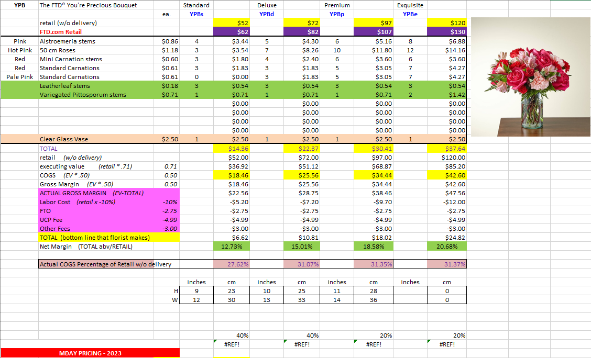
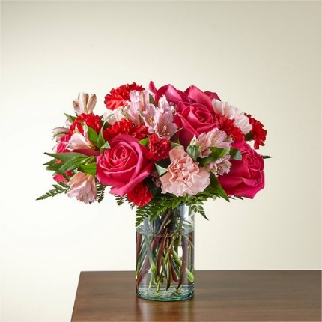
YPB | The FTD® You're Precious Bouquet |  | Standard |  | Deluxe |  | Premium |  | Exquisite
 |  | ea. | YPBs |  | YPBd |  | YPBp |  | YPBe
 | retail (w/o delivery) |  |  | $52 |  | $72 |  | $97 |  | $120
 | FTD.com Retail |  |  | $62 |  | $82 |  | $107 |  | $130
Pink | Alstroemeria stems | $0.86 | 4 | $3.44 | 5 | $4.30 | 6 | $5.16 | 8 | $6.88
Hot Pink | 50 cm Roses | $1.18 | 3 | $3.54 | 7 | $8.26 | 10 | $11.80 | 12 | $14.16
Red | Mini Carnation stems | $0.60 | 3 | $1.80 | 4 | $2.40 | 6 | $3.60 | 6 | $3.60
Red | Standard Carnations | $0.61 | 3 | $1.83 | 3 | $1.83 | 5 | $3.05 | 7 | $4.27
Pink | Standard Carnations | $0.61 | 0 | $0.00 | 3 | $1.83 | 5 | $3.05 | 7 | $4.27
 | Leatherleaf stems | $0.18 | 3 | $0.54 | 3 | $0.54 | 3 | $0.54 | 3 | $0.54
 | Variegated Pittosporum stems | $0.71 | 1 | $0.71 | 1 | $0.71 | 1 | $0.71 | 2 | $1.42
 |  |  |  | $0.00 |  | $0.00 |  | $0.00 |  | $0.00
 |  |  |  | $0.00 |  | $0.00 |  | $0.00 |  | $0.00
 |  |  |  | $0.00 |  | $0.00 |  | $0.00 |  | $0.00
 |  |  |  | $0.00 |  | $0.00 |  | $0.00 |  | $0.00
 | Clear Glass Vase | $2.50 | 1 | $2.50 | 1 | $2.50 | 1 | $2.50 | 1 | $2.50
 | TOTAL |  |  | $14.36 |  | $22.37 |  | $30.41 |  | $37.64
 | retail (w/o delivery) |  |  | $52.00 |  | $72.00 |  | $97.00 |  | $120.00
 | executing value (retail * .71) | 0.71 |  | $36.92 |  | $51.12 |  | $68.87 |  | $85.20
 | COGS (EV * .50) | 0.50 |  | $18.46 |  | $25.56 |  | $34.43 |  | $42.60
 | Gross Margin (EV * .50) | 0.50 |  | $18.46 |  | $25.56 |  | $34.43 |  | $42.60
 | ACTUAL GROSS MARGIN (EV-TOTAL) |  |  | $22.56 |  | $28.75 |  | $38.46 |  | $47.56
 | Labor Cost (retail x -10%) | -10% |  | -$5.20 |  | -$7.20 |  | -$9.70 |  | -$12.00
 | FTO | -2.75 |  | -$2.75 |  | -$2.75 |  | -$2.75 |  | -$2.75
 | UCP Fee | -4.99 |  | -$4.99 |  | -$4.99 |  | -$4.99 |  | -$4.99
 | Other Fees | -3.00 |  | -$3.00 |  | -$3.00 |  | -$3.00 |  | -$3.00
 | TOTAL (bottom line that florist makes) |  |  | $6.62 |  | $10.81 |  | $18.02 |  | $24.82
 | Net Margin (TOTAL abv/RETAIL) |  |  | 12.73% |  | 15.01% |  | 18.58% |  | 20.68%

 | Actual COGS Percentage of Retail w/o delivery |  |  | 27.62% |  | 31.07% |  | 31.35% |  | 31.37%

 |  |  | inches | cm | inches | cm | inches | cm | inches | cm
 |  | H | 9 | 23 | 10 | 25 | 11 | 28 |  | 0
 |  | W | 12 | 30 | 13 | 33 | 14 | 36 |  | 0

 |  |  |  | 40% |  | 40% |  | 20% |  | 20%
 |  |  |  | #REF! |  | #REF! |  | #REF! |  | #REF!

EDAY 2023 PRICING
 |  | NEW 2023 |  | CDAY 2023
 | Alstroemeria stems | $0.62 | -$0.29 | $0.91
 | Asiatic Lily stems | $1.47 | -$0.07 | $1.54
 | Button Pompon stems | $0.63 | -$0.12 | $0.75
 | Cushion Pompon stems | $0.63 | -$0.12 | $0.75
 | Daisy Pompon stems | $0.63 | -$0.12 | $0.75
 | Double Lisianthus stems | $1.28 | -$0.32 | $1.60
 | Delphinium stems, Belladonna | $1.06 | -$0.44 | $1.50
 | Delphinium stems, hybrid | $1.26 | -$0.92 | $2.18
 | Disbud Stem | $0.84 | -$0.13 | $0.97
 | Gerbera Daisies | $1.14 | -$0.36 | $1.50
Blue | Hydrangea blooms | $2.30 | $0.02 | $2.28
Green | Mini Hydrangea blooms | $1.69 | $0.05 | $1.64
White | Hydrangea blooms | $2.14 | $0.00 | $2.14
 | Hypericum Berry stems | $0.77 | -$0.13 | $0.90
 | Iris stems | $1.13 | -$0.07 | $1.20
 | LA Hybrid Lily stems | $1.47 | -$0.17 | $1.64
 | Limonium Blue stream | $0.84 | -$0.31 | $1.15
 | Limonium Misty Blue | $0.84 |  | $1.41
 | Matsumoto Aster stems | $0.79 | -$0.05 | $0.84
 | Mini Calla Lilies | $1.65 | -$0.77 | $2.42
 | Mini Carnation stems | $0.51 | -$0.18 | $0.69
 | Monte Casino stems | $0.66 | $0.00 | $0.66
White | Queen Anne's Lace | $1.29 |  | $1.25
 | Ranunculus | $1.64 |  | $2.85
Orange | 50 cm Roses | $0.96 | -$0.08 | $1.04
Yellow | 50 cm Roses | $0.96 | -$0.12 | $1.08
Peach | 50 cm Roses | $0.96 | -$0.12 | $1.08
Pink | 50 cm Roses | $0.96 | -$0.19 | $1.15
Lavender | 50 cm Roses | $0.96 | -$0.12 | $1.08
White | 50 cm Roses | $0.96 | -$0.32 | $1.28
Red | 50 cm Roses | $0.87 | -$0.31 | $1.18
 | Snapdragon stems | $0.92 | -$0.28 | $1.20
 | Solidago stems | $0.63 | $0.06 | $0.57
 | Spider Mums | $0.84 | $0.00 | $0.84
 | Spray Rose stems | $0.90 | -$0.52 | $1.42
 | Standard Carnations | $0.53 | -$0.18 | $0.71
 | Star of Bethlehem stems | $0.85 |  | $1.18
 | Statice stems | $0.59 | -$0.15 | $0.74
 | Stock stems | $0.85 | -$0.13 | $0.98
 | Sweet William | $0.77 | -$0.25 | $1.02
 | Eryngium thistle stems | $1.40 | -$0.30 | $1.70
Green | Trick Dianthus stems | $0.94 | -$0.16 | $1.10
 | Waxflower stems | $1.41 | -$0.19 | $1.60

 | Baby Blue Eucalyptus stems | $0.99 | -$0.01 | $1.00
 | Dusty Miller Stems | $0.98 |  | $1.05
 | Gunni Eucalyptus stems | $1.09 | -$0.19 | $1.28
 | Silver dollar Eucalyptus stems | $2.10 | $0.00 | $2.10
 | Green Pittosporum stems | $0.67 | -$0.04 | $0.71
 | Israeli Ruscus stems | $0.35 | -$0.05 | $0.40
 | Italian Variegated Pittosporum stems | $0.82 | -$0.08 | $0.90
 | Salal tips | $0.26 | -$0.02 | $0.28
 | Seeded Eucalyptus stems | $2.10 | -$0.03 | $2.13
 | Variegated Pittosporum stems | $0.69 | -$0.05 | $0.74

CGP
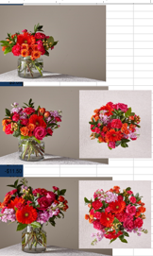
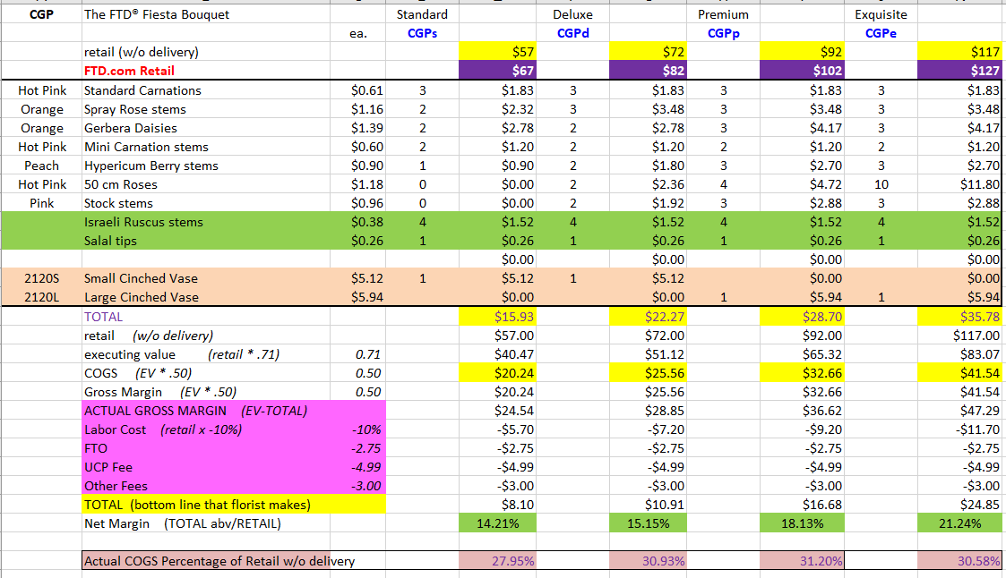
CGP | The FTD® Fiesta Bouquet |  | Standard |  | Deluxe |  | Premium |  | Exquisite
 |  | ea. | CGPs |  | CGPd |  | CGPp |  | CGPe
 | retail (w/o delivery) |  |  | $57 |  | $72 |  | $92 |  | $117
 | FTD.com Retail |  |  | $67 |  | $82 |  | $102 |  | $127
Hot Pink | Standard Carnations | $0.61 | 3 | $1.83 | 3 | $1.83 | 3 | $1.83 | 3 | $1.83
Orange | Spray Rose stems | $1.16 | 2 | $2.32 | 3 | $3.48 | 3 | $3.48 | 3 | $3.48
Orange | Gerbera Daisies | $1.39 | 2 | $2.78 | 2 | $2.78 | 3 | $4.17 | 3 | $4.17
Hot Pink | Mini Carnation stems | $0.60 | 2 | $1.20 | 2 | $1.20 | 2 | $1.20 | 2 | $1.20
Peach | Hypericum Berry stems | $0.90 | 1 | $0.90 | 2 | $1.80 | 3 | $2.70 | 3 | $2.70
Hot Pink | 50 cm Roses | $1.18 | 0 | $0.00 | 2 | $2.36 | 4 | $4.72 | 10 | $11.80
Pink | Stock stems | $0.96 | 0 | $0.00 | 2 | $1.92 | 3 | $2.88 | 3 | $2.88
 | Israeli Ruscus stems | $0.38 | 4 | $1.52 | 4 | $1.52 | 4 | $1.52 | 4 | $1.52
 | Salal tips | $0.26 | 1 | $0.26 | 1 | $0.26 | 1 | $0.26 | 1 | $0.26
 |  |  |  | $0.00 |  | $0.00 |  | $0.00 |  | $0.00
2120S | Small Cinched Vase | $5.12 | 1 | $5.12 | 1 | $5.12 |  | $0.00 |  | $0.00
2120L | Large Cinched Vase | $5.94 |  | $0.00 |  | $0.00 | 1 | $5.94 | 1 | $5.94
 | TOTAL |  |  | $15.93 |  | $22.27 |  | $28.70 |  | $35.78
 | retail (w/o delivery) |  |  | $57.00 |  | $72.00 |  | $92.00 |  | $117.00
 | executing value (retail * .71) | 0.71 |  | $40.47 |  | $51.12 |  | $65.32 |  | $83.07
 | COGS (EV * .50) | 0.50 |  | $20.24 |  | $25.56 |  | $32.66 |  | $41.54
 | Gross Margin (EV * .50) | 0.50 |  | $20.24 |  | $25.56 |  | $32.66 |  | $41.54
 | ACTUAL GROSS MARGIN (EV-TOTAL) |  |  | $24.54 |  | $28.85 |  | $36.62 |  | $47.29
 | Labor Cost (retail x -10%) | -10% |  | -$5.70 |  | -$7.20 |  | -$9.20 |  | -$11.70
 | FTO | -2.75 |  | -$2.75 |  | -$2.75 |  | -$2.75 |  | -$2.75
 | UCP Fee | -4.99 |  | -$4.99 |  | -$4.99 |  | -$4.99 |  | -$4.99
 | Other Fees | -3.00 |  | -$3.00 |  | -$3.00 |  | -$3.00 |  | -$3.00
 | TOTAL (bottom line that florist makes) |  |  | $8.10 |  | $10.91 |  | $16.68 |  | $24.85
 | Net Margin (TOTAL abv/RETAIL) |  |  | 14.21% |  | 15.15% |  | 18.13% |  | 21.24%

 | Actual COGS Percentage of Retail w/o delivery |  |  | 27.95% |  | 30.93% |  | 31.20% |  | 30.58%

 |  |  | inches | cm | inches | cm | inches | cm | inches | cm
 |  | H | 12 | 30 | 14 | 36 | 16 | 41 | 18 | 46
 |  | W | 12 | 30 | 14 | 36 | 17 | 43 | 19 | 48

 |  |  |  | 40% |  | 40% |  | 20% |  | 20%
 |  |  |  | #REF! |  | #REF! |  | #REF! |  | #REF!
EDAY 2023 PRICING
 |  | NEW 2023 |  | CDAY 2023
 | Alstroemeria stems | $0.62 | -$0.29 | $0.91
 | Asiatic Lily stems | $1.47 | -$0.07 | $1.54
 | Button Pompon stems | $0.63 | -$0.12 | $0.75
 | Cushion Pompon stems | $0.63 | -$0.12 | $0.75
 | Daisy Pompon stems | $0.63 | -$0.12 | $0.75
 | Double Lisianthus stems | $1.28 | -$0.32 | $1.60
 | Delphinium stems, Belladonna | $1.06 | -$0.44 | $1.50
 | Delphinium stems, hybrid | $1.26 | -$0.92 | $2.18
 | Disbud Stem | $0.84 | -$0.13 | $0.97
 | Gerbera Daisies | $1.14 | -$0.36 | $1.50
Blue | Hydrangea blooms | $2.30 | $0.02 | $2.28
Green | Mini Hydrangea blooms | $1.69 | $0.05 | $1.64
White | Hydrangea blooms | $2.14 | $0.00 | $2.14
 | Hypericum Berry stems | $0.77 | -$0.13 | $0.90
 | Iris stems | $1.13 | -$0.07 | $1.20
 | LA Hybrid Lily stems | $1.47 | -$0.17 | $1.64
 | Limonium Blue stream | $0.84 | -$0.31 | $1.15
 | Limonium Misty Blue | $0.84 |  | $1.41
 | Matsumoto Aster stems | $0.79 | -$0.05 | $0.84
 | Mini Calla Lilies | $1.65 | -$0.77 | $2.42
 | Mini Carnation stems | $0.51 | -$0.18 | $0.69
 | Monte Casino stems | $0.66 | $0.00 | $0.66
White | Queen Anne's Lace | $1.29 |  | $1.25
 | Ranunculus | $1.64 |  | $2.85
Orange | 50 cm Roses | $0.96 | -$0.08 | $1.04
Yellow | 50 cm Roses | $0.96 | -$0.12 | $1.08
Peach | 50 cm Roses | $0.96 | -$0.12 | $1.08
Pink | 50 cm Roses | $0.96 | -$0.19 | $1.15
Lavender | 50 cm Roses | $0.96 | -$0.12 | $1.08
White | 50 cm Roses | $0.96 | -$0.32 | $1.28
Red | 50 cm Roses | $0.87 | -$0.31 | $1.18
 | Snapdragon stems | $0.92 | -$0.28 | $1.20
 | Solidago stems | $0.63 | $0.06 | $0.57
 | Spider Mums | $0.84 | $0.00 | $0.84
 | Spray Rose stems | $0.90 | -$0.52 | $1.42
 | Standard Carnations | $0.53 | -$0.18 | $0.71
 | Star of Bethlehem stems | $0.85 |  | $1.18
 | Statice stems | $0.59 | -$0.15 | $0.74
 | Stock stems | $0.85 | -$0.13 | $0.98
 | Sweet William | $0.77 | -$0.25 | $1.02
 | Eryngium thistle stems | $1.40 | -$0.30 | $1.70
Green | Trick Dianthus stems | $0.94 | -$0.16 | $1.10
 | Waxflower stems | $1.41 | -$0.19 | $1.60

 | Baby Blue Eucalyptus stems | $0.99 | -$0.01 | $1.00
 | Dusty Miller Stems | $0.98 |  | $1.05
 | Gunni Eucalyptus stems | $1.09 | -$0.19 | $1.28
 | Silver dollar Eucalyptus stems | $2.10 | $0.00 | $2.10
 | Green Pittosporum stems | $0.67 | -$0.04 | $0.71
 | Israeli Ruscus stems | $0.35 | -$0.05 | $0.40
 | Italian Variegated Pittosporum stems | $0.82 | -$0.08 | $0.90
 | Salal tips | $0.26 | -$0.02 | $0.28
 | Seeded Eucalyptus stems | $2.10 | -$0.03 | $2.13
 | Variegated Pittosporum stems | $0.69 | -$0.05 | $0.74
 | Silver dollar Eucalyptus stems | $1.80 | $0.02 | $1.78
 | Green Pittosporum stems | $0.65 | $0.00 | $0.65
 | Israeli Ruscus stems | $0.37 | -$0.02 | $0.39
 | Italian Ruscus stems | $1.97 | $0.20 | $1.77
 | Italian Variegated Pittosporum stems | $1.03 | $0.13 | $0.90
 | Ivy vines | $0.65 | -$0.08 | $0.73
 | Leatherleaf stems | $0.17 | $0.00 | $0.17
 | Lily Grass blades | $0.34 | $0.00 | $0.34
 | Mini Myrtle stems | $0.95 | -$0.02 | $0.97
 | Myrtle stems | $0.80 | -$0.08 | $0.88
 | Salal stems | $0.44 | -$0.02 | $0.46
 | Salal tips | $0.23 | -$0.02 | $0.25
 | Seeded Eucalyptus stems | $1.80 | $0.02 | $1.78
 | Sword Fern fronds | $0.55 | $0.04 | $0.51
 | Ti leaves | $0.46 | -$0.01 | $0.47
 | Variegated Aspidistra leaves | $0.74 | -$0.04 | $0.78
 | Variegated Pittosporum stems | $0.67 | -$0.23 | $0.90

 | Hardgoods
 | Small Gold Dipped Vase | 7.17
 | Large Gold Dipped Vase | 11.75
 | Small Cinched Vase | 5.12
 | Large Cinched Vase | 5.94
 | White Wooded Box | 6.96
 | Brown Wood Box | 7

J-6022
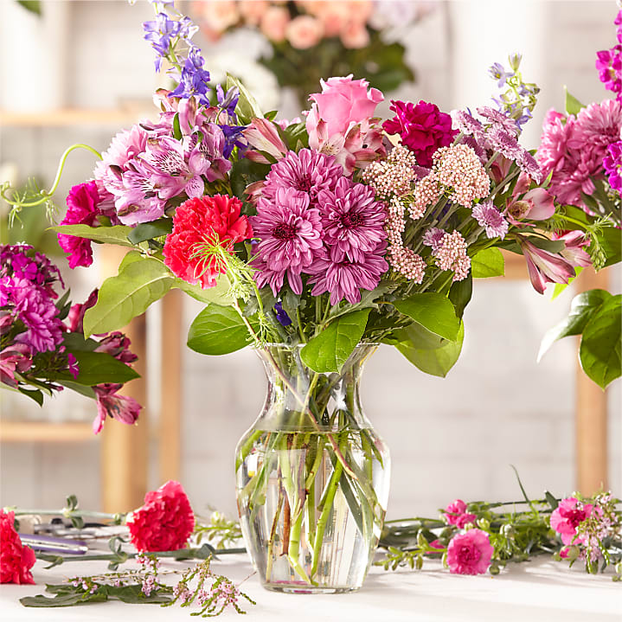
J-6022 | The FTD® Regal Jewel Bouquet - Florist Original |  | Standard |  | Deluxe |  | Premium |  | Exquisite
 |  | ea. | J-6022s |  | J-6022d |  | J-6022p |  | J-6022e
 | retail (w/o delivery) |  |  | $60 |  | $75 |  | $95 |  | $125
 | FTD.com Retail |  |  | $70 |  | $85 |  | $105 |  | $135
Lavender | 50 cm Roses | $1.18 | 2 | $2.36 | 3 | $3.54 | 0 | $0.00 | 8 | $9.44
Purple | Stock stems | $0.88 | 2 | $0.00 | 4 | $0.00 | 0 | $0.00 | 6 | $5.28
Pink | Standard Carnations | $0.61 | 2 | $0.00 | 3 | $0.00 | 4 | $0.00 | 4 | $0.00
Hot Pink | Alstroemeria stems | $0.86 | 2 | $1.72 | 3 | $2.58 | 0 | $0.00 | 0 | $0.00
Hot Pink | 50 cm Roses | $1.18 | 0 | $0.00 | 0 | $0.00 | 5 | $5.90 | 5 | $5.90
Hot Pink | Stock stems | $0.88 | 0 | $0.00 | 0 | $0.00 | 5 | $4.40 | 0 | $0.00
Purple | Daisy Pompon stems | $0.70 | 0 | $0.00 | 0 | $0.00 | 4 | $2.80 | 0 | $0.00
Pink | Hydrangea blooms | $2.14 | 0 | $0.00 | 0 | $0.00 | 2 | $4.28 | 0 | $0.00
Purple | Alstroemeria stems | 0.86 | 0 | $0.00 | 0 | $0.00 | 0 | $0.00 | 5 | $4.30
Pink | LA Hybrid Lily stems | $1.67 | 0 | $0.00 | 0 | $0.00 | 0 | $0.00 | 2 | $3.34
2120S | Small Cinched Vase | $5.12 | 1 | $5.12 | 1 | $5.12 | 0 | $0.00 | 0 | $0.00
2120L | Large Cinched Vase | $5.94 | 0 | $0.00 | 0 | $0.00 | 1 | $5.94 | 1 | $5.94
 | TOTAL |  |  | $9.20 |  | $11.24 |  | $23.32 |  | $34.20
 | retail (w/o delivery) |  |  | $60.00 |  | $75.00 |  | $95.00 |  | $125.00
 | executing value (retail * .71) | 0.71 |  | $42.60 |  | $53.25 |  | $67.45 |  | $88.75
 | COGS (EV * .50) | 0.50 |  | $21.30 |  | $26.63 |  | $33.73 |  | $44.38
 | Gross Margin (EV * .50) | 0.50 |  | $21.30 |  | $26.63 |  | $33.73 |  | $44.38
 | ACTUAL GROSS MARGIN (EV-TOTAL) |  |  | $33.40 |  | $42.01 |  | $44.13 |  | $54.55
 | Labor Cost (retail x -10%) | -10% |  | -$6.00 |  | -$7.50 |  | -$9.50 |  | -$12.50
 | FTO | -2.75 |  | -$2.75 |  | -$2.75 |  | -$2.75 |  | -$2.75
 | UCP Fee | -4.99 |  | -$4.99 |  | -$4.99 |  | -$4.99 |  | -$4.99
 | Other Fees | -3.00 |  | -$3.00 |  | -$3.00 |  | -$3.00 |  | -$3.00
 | TOTAL (bottom line that florist makes) |  |  | $16.66 |  | $23.77 |  | $23.89 |  | $31.31
 | Net Margin (TOTAL abv/RETAIL) |  |  | 27.77% |  | 31.69% |  | 25.15% |  | 25.05%

 | Actual COGS Percentage of Retail w/o delivery |  |  | 15.33% |  | 14.99% |  | 24.55% |  | 27.36%

 |  |  | inches | cm | inches | cm | inches | cm | inches | cm
 |  | H |  | 0 |  | 0 |  | 0 |  | 0
 |  | W |  | 0 |  | 0 |  | 0 |  | 0

 |  |  |  | 40% |  | 40% |  | 20% |  | 20%
 |  |  |  | #REF! |  | #REF! |  | #REF! |  | #REF!

EDAY 2023 PRICING
 |  | NEW 2023 |  | CDAY 2023
 | Alstroemeria stems | $0.62 | -$0.29 | $0.91
 | Asiatic Lily stems | $1.47 | -$0.07 | $1.54
 | Button Pompon stems | $0.63 | -$0.12 | $0.75
 | Cushion Pompon stems | $0.63 | -$0.12 | $0.75
 | Daisy Pompon stems | $0.63 | -$0.12 | $0.75
 | Double Lisianthus stems | $1.28 | -$0.32 | $1.60
 | Delphinium stems, Belladonna | $1.06 | -$0.44 | $1.50
 | Delphinium stems, hybrid | $1.26 | -$0.92 | $2.18
 | Disbud Stem | $0.84 | -$0.13 | $0.97
 | Gerbera Daisies | $1.14 | -$0.36 | $1.50
Blue | Hydrangea blooms | $2.30 | $0.02 | $2.28
Green | Mini Hydrangea blooms | $1.69 | $0.05 | $1.64
White | Hydrangea blooms | $2.14 | $0.00 | $2.14
 | Hypericum Berry stems | $0.77 | -$0.13 | $0.90
 | Iris stems | $1.13 | -$0.07 | $1.20
 | LA Hybrid Lily stems | $1.47 | -$0.17 | $1.64
 | Limonium Blue stream | $0.84 | -$0.31 | $1.15
 | Limonium Misty Blue | $0.84 |  | $1.41
 | Matsumoto Aster stems | $0.79 | -$0.05 | $0.84
 | Mini Calla Lilies | $1.65 | -$0.77 | $2.42
 | Mini Carnation stems | $0.51 | -$0.18 | $0.69
 | Monte Casino stems | $0.66 | $0.00 | $0.66
White | Queen Anne's Lace | $1.29 |  | $1.25
 | Ranunculus | $1.64 |  | $2.85
Orange | 50 cm Roses | $0.96 | -$0.08 | $1.04
Yellow | 50 cm Roses | $0.96 | -$0.12 | $1.08
Peach | 50 cm Roses | $0.96 | -$0.12 | $1.08
Pink | 50 cm Roses | $0.96 | -$0.19 | $1.15
Lavender | 50 cm Roses | $0.96 | -$0.12 | $1.08
White | 50 cm Roses | $0.96 | -$0.32 | $1.28
Red | 50 cm Roses | $0.87 | -$0.31 | $1.18
 | Snapdragon stems | $0.92 | -$0.28 | $1.20
 | Solidago stems | $0.63 | $0.06 | $0.57
 | Spider Mums | $0.84 | $0.00 | $0.84
 | Spray Rose stems | $0.90 | -$0.52 | $1.42
 | Standard Carnations | $0.53 | -$0.18 | $0.71
 | Star of Bethlehem stems | $0.85 |  | $1.18
 | Statice stems | $0.59 | -$0.15 | $0.74
 | Stock stems | $0.85 | -$0.13 | $0.98
 | Sweet William | $0.77 | -$0.25 | $1.02
 | Eryngium thistle stems | $1.40 | -$0.30 | $1.70
Green | Trick Dianthus stems | $0.94 | -$0.16 | $1.10
 | Waxflower stems | $1.41 | -$0.19 | $1.60

 | Baby Blue Eucalyptus stems | $0.99 | -$0.01 | $1.00
 | Dusty Miller Stems | $0.98 |  | $1.05
 | Gunni Eucalyptus stems | $1.09 | -$0.19 | $1.28
 | Silver dollar Eucalyptus stems | $2.10 | $0.00 | $2.10
 | Green Pittosporum stems | $0.67 | -$0.04 | $0.71
 | Israeli Ruscus stems | $0.35 | -$0.05 | $0.40
 | Italian Variegated Pittosporum stems | $0.82 | -$0.08 | $0.90
 | Salal tips | $0.26 | -$0.02 | $0.28
 | Seeded Eucalyptus stems | $2.10 | -$0.03 | $2.13
 | Variegated Pittosporum stems | $0.69 | -$0.05 | $0.74

22-V6
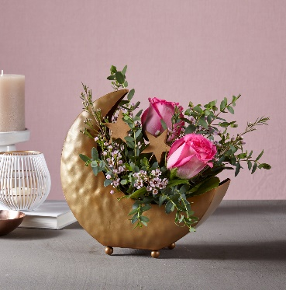
22-V6 | Over the Moon Bouquet |  | Good |  | Better |  | Best |  | Exquisite
 |  | ea. | 22-V6s |  | 22-V6d |  | 22-V6p |  | 22-V6e
Both | retail (w/o delivery) |  |  | $50 |  | $65 |  | $85 |  | $115
 | FTD.com Retail |  |  | $60 |  | $75 |  | $95 |  | $125
Pink | 50 cm Roses | $1.18 | 2 | $2.36 | 4 | $4.72 | 8 | $9.44 |  | $0.00
Pink | Waxflower Stems | $1.22 | 1 | $1.22 | 2 | $2.44 | 2 | $2.44 |  | $0.00
 | Gunni Eucalyptus stems | $1.11 | 1 | $1.11 | 2 | $2.22 | 2 | $2.22 |  | $0.00
 | Salal tips | $0.25 | 1 | $0.25 | 1 | $0.25 | 1 | $0.25 |  | $0.00
 | Floral Foam blocks | $0.75 | 0.33333333333 | $0.25 | 0.33333333333 | $0.25 | 0.33333333333 | $0.25 |  | $0.00
 |  |  |  | $0.00 |  | $0.00 |  | $0.00 |  | $0.00
 |  |  |  | $0.00 |  | $0.00 |  | $0.00 |  | $0.00
 |  |  |  | $0.00 |  | $0.00 |  | $0.00 |  | $0.00
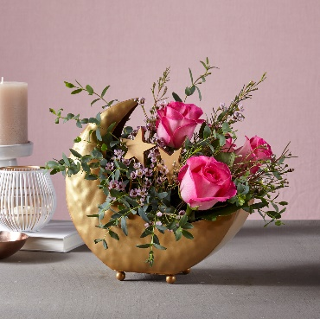
 |  |  |  | $0.00 |  | $0.00 |  | $0.00 |  | $0.00
 |  |  |  | $0.00 |  | $0.00 |  | $0.00 |  | $0.00
2107 | Metal Moon Vase w/ Stars | $6.99 | 1 | $6.99 | 1 | $6.99 | 1 | $6.99 |  | $0.00
 | Shipping | $1.40 | 1 | $1.40 | 1 | $1.40 | 1 | $1.40 |  | $0.00
 | TOTAL |  |  | $13.58 |  | $18.27 |  | $22.99 |  | $0.00
 | retail (w/o delivery) |  |  | $50.00 |  | $65.00 |  | $85.00 |  | $115.00
 | executing value (retail * .73) | 0.73 |  | $36.50 |  | $47.45 |  | $62.05 |  | $83.95
 | COGS (EV * .50) | 0.50 |  | $18.25 |  | $23.72 |  | $31.03 |  | $41.98
 | Gross Margin (EV * .50) | 0.50 |  | $18.25 |  | $23.72 |  | $31.03 |  | $41.98
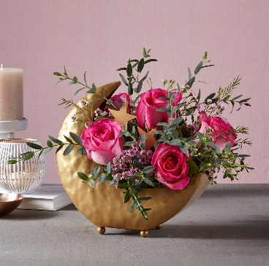
 | ACTUAL GROSS MARGIN (EV-TOTAL) |  |  | $22.92 |  | $29.18 |  | $39.06 |  | $83.95
 | Labor Cost (retail x -10%) | -10% |  | -$5.00 |  | -$6.50 |  | -$8.50 |  | -$11.50
 | FTO | -2.75 |  | -$2.75 |  | -$2.75 |  | -$2.75 |  | -$2.75
 | UCP Fee | -4.99 |  | -$4.99 |  | -$4.99 |  | -$4.99 |  | -$4.99
 | Other Fees | -3.00 |  | -$3.00 |  | -$3.00 |  | -$3.00 |  | -$3.00
 | TOTAL (bottom line that florist makes) |  |  | $7.18 |  | $11.94 |  | $19.82 |  | $61.71
 | Net Margin (TOTAL abv/RETAIL) |  |  | 14.36% |  | 18.37% |  | 23.32% |  | 53.66%

 | Actual COGS Percentage of Retail w/o delivery |  |  | 27.16% |  | 28.11% |  | 27.05% |  | 0.00%

 |  |  | inches | cm | inches | cm | inches | cm | inches | cm
 |  | H | 11 | 28 | 12 | 30 | 13 | 33 |  | 0
 |  | W | 12 | 30 | 15 | 38 | 16 | 41 |  | 0

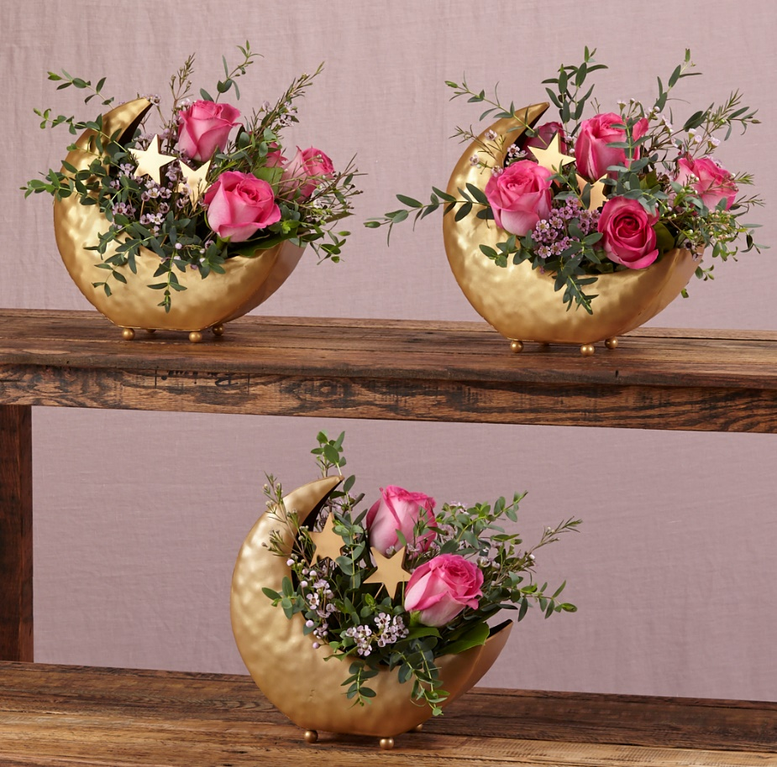
 |  |  |  | 40% |  | 40% |  | 20% |  | 20%
 |  |  |  | #REF! |  | #REF! |  | #REF! |  | #REF!
VAL PRICING - 2022
 |  | NEW 2022 |  | NEW 2021
 | Alstroemeria stems | $0.76 | $0.03 | $0.73
 | Asiatic Lily stems | $1.51 | $0.10 | $1.41
 | Bells of Ireland | $0.85
 | Button Pompon stems | $0.61 | $0.04 | $0.57
 | Craspedia | $0.85
 | Cushion Pompon stems | $0.61 | $0.04 | $0.57
 | Daisy Pompon stems | $0.61 | $0.04 | $0.57
 | Dendrobium belladona Stems | $1.10
 | Dendrobium hybrid Stems | $1.37
 | Dendrobium Orchid Stems | $2.41 | $0.14 | $2.27
 | Double Lisianthus stems | $1.36 | $0.15 | $1.21
 | Disbud Stem | $0.90 | $0.90
 | Disbud Mums | $1.29 | $0.05 | $1.24
Blue | Hydrangea blooms | $2.00 | $0.02 | $1.98
Green | Mini Hydrangea blooms | $1.57 |  | $1.46
Pink | Hydrangea blooms | $6.02 | $0.84 | $5.18
Purple | Hydrangea blooms | $6.49 | $0.54 | $5.95
White | Hydrangea blooms | $1.98 | $0.08 | $1.90
 | Hypericum Berry stems | $0.91 | $0.03 | $0.88
 | Iris stems | $0.92 | $0.04 | $0.88
 | LA Hybrid Lily stems | $1.51 | $0.10 | $1.41
 | Liatris | $0.91
 | Larkspur stems | $1.62 | $0.35 | $1.27
 | Limonium Blue stream | $1.10 | $1.10
 | Limonium Misty Blue
 | Matsumoto Aster stems | $0.79 | $0.06 | $0.73
 | Mini Calla Lilies | $2.42 | $0.02 | $2.40
 | Mini Carnation stems | $0.56 | $0.02 | $0.54
 | Mokara Orchid Stems | $2.64 | $0.23 | $2.41
 | Monte Casino stems | $0.67 | $0.07 | $0.60
Pink | Oriental Lily stems | $2.13 | $0.16 | $1.97
White | Oriental Lily stems | $2.13 | $0.24 | $1.89
White | Queen Anne's Lace | N/A
 | Ranunculus | $1.90
 | 50 cm Roses (Asstd) | $1.40 | $0.52 | $0.88
Orange | 50 cm Roses | $1.07 | $0.03 | $1.04
Yellow | 50 cm Roses | $1.09 | $0.05 | $1.04
Peach | 50 cm Roses | $1.18 | $0.04 | $1.14
Pink | 50 cm Roses | $1.18 | $0.04 | $1.14
Lavender | 50 cm Roses | $1.18 | $0.04 | $1.14
White | 50 cm Roses | $1.18 | $0.04 | $1.14
Red | 50 cm Roses | $1.54 | $0.04 | $1.50
 | Snapdragon stems | $1.49 | $0.21 | $1.28
 | Solidago stems | $0.64 | $0.07 | $0.57
 | Spider Mums | $0.90 | $0.25 | $0.65
 | Spray Rose stems | $1.12 | $0.12 | $1.00
 | Standard Carnations | $0.57 | $0.02 | $0.55
 | Starfighter Lily stems | $2.13 | $0.16 | $1.97
 | Stargazer Lily stems |  | -$2.99 | $2.99
 | Statice stems | $0.69 | $0.06 | $0.63
 | Statice, seafoam stems
 | Stock stems | $1.19 | $0.14 | $1.05
 | Sunflowers |  | -$1.21 | $1.21
 | Sweet William | $0.83 | -$0.38 | $1.21
 | Tulips | $1.10 | $0.16 | $0.94
 | Thistle eringium stems | $1.52
Blue | Trachelium stems | $0.93 | $0.09 | $0.84
Green | Trick Dianthus stems | $0.97 |  | $0.95
 | Veronica | $1.04
 | Waxflower stems | $1.22 | $0.05 | $1.17

 | Aspidistra leaves | $0.45 | $0.02 | $0.43
 | Baby Blue Eucalyptus stems | $0.88 | $0.05 | $0.83
 | Bear Grass blades | $0.08 | $0.01 | $0.07
 | Curly Willow tips | $0.89 | $0.02 | $0.87
 | Gunni Eucalyptus stems | $1.11
 | Silver dollar Eucalyptus stems | $1.78
 | Green Pittosporum stems | $0.65 | $0.02 | $0.63
 | Israeli Ruscus stems | $0.39 | $0.01 | $0.38
 | Italian Ruscus stems | $1.77 | $0.02 | $1.75
 | Italian Variegated Pittosporum stems | $0.90 | $0.02 | $0.88
 | Ivy vines | $0.73 | $0.01 | $0.72
 | Leatherleaf stems | $0.17 | $0.01 | $0.16
 | Lily Grass blades | $0.34 | $0.01 | $0.33
 | Mini Myrtle stems | $0.97 | $0.03 | $0.94
 | Myrtle stems | $0.88 | $0.02 | $0.86
 | Salal stems | $0.46 | -$0.14 | $0.60
 | Salal tips | $0.25 | $0.03 | $0.22
 | Seeded Eucalyptus stems | $1.78 | $0.04 | $1.74
 | Sword Fern fronds | $0.51 | $0.01 | $0.50
 | Ti leaves | $0.47 | $0.00 | $0.47
 | Variegated Aspidistra leaves | $0.78 | $0.08 | $0.70
 | Variegated Pittosporum stems | $0.90 | $0.25 | $0.65

 | Hardgoods
 | Small Gold Dipped Vase | 7.17
 | Large Gold Dipped Vase | 11.75
 | Small Cinched Vase | 4.7
 | Large Cinched Vase | 5.52
 | White Wooded Box | 6.96
 | Brown Wood Box | 7

BDB
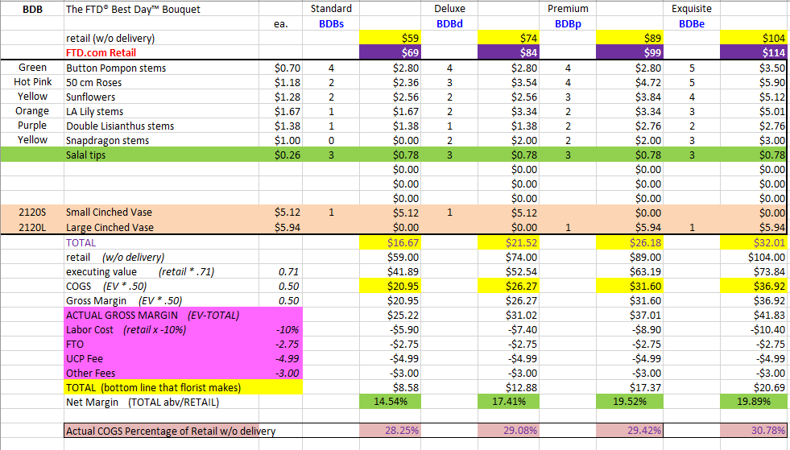
BDB | The FTD® Best Day™ Bouquet |  | Standard |  | Deluxe |  | Premium |  | Exquisite
 |  | ea. | BDBs |  | BDBd |  | BDBp |  | BDBe
 | retail (w/o delivery) |  |  | $59 |  | $74 |  | $89 |  | $104
 | FTD.com Retail |  |  | $69 |  | $84 |  | $99 |  | $114
Green | Button Pompon stems | $0.70 | 4 | $2.80 | 4 | $2.80 | 4 | $2.80 | 5 | $3.50
Hot Pink | 50 cm Roses | $1.18 | 2 | $2.36 | 3 | $3.54 | 4 | $4.72 | 5 | $5.90
Yellow | Sunflowers | $1.28 | 2 | $2.56 | 2 | $2.56 | 3 | $3.84 | 4 | $5.12
Orange | LA Lily stems | $1.67 | 1 | $1.67 | 2 | $3.34 | 2 | $3.34 | 3 | $5.01
Purple | Double Lisianthus stems | $1.38 | 1 | $1.38 | 1 | $1.38 | 2 | $2.76 | 2 | $2.76
Yellow | Snapdragon stems | $1.00 | 0 | $0.00 | 2 | $2.00 | 2 | $2.00 | 3 | $3.00
 | Salal tips | $0.26 | 3 | $0.78 | 3 | $0.78 | 3 | $0.78 | 3 | $0.78
 |  |  |  | $0.00 |  | $0.00 |  | $0.00 |  | $0.00
 |  |  |  | $0.00 |  | $0.00 |  | $0.00 |  | $0.00
 |  |  |  | $0.00 |  | $0.00 |  | $0.00 |  | $0.00
2120S | Small Cinched Vase | $5.12 | 1 | $5.12 | 1 | $5.12 |  | $0.00 |  | $0.00
2120L | Large Cinched Vase | $5.94 |  | $0.00 |  | $0.00 | 1 | $5.94 | 1 | $5.94
 | TOTAL |  |  | $16.67 |  | $21.52 |  | $26.18 |  | $32.01
 | retail (w/o delivery) |  |  | $59.00 |  | $74.00 |  | $89.00 |  | $104.00
 | executing value (retail * .71) | 0.71 |  | $41.89 |  | $52.54 |  | $63.19 |  | $73.84
 | COGS (EV * .50) | 0.50 |  | $20.95 |  | $26.27 |  | $31.60 |  | $36.92
 | Gross Margin (EV * .50) | 0.50 |  | $20.95 |  | $26.27 |  | $31.60 |  | $36.92
 | ACTUAL GROSS MARGIN (EV-TOTAL) |  |  | $25.22 |  | $31.02 |  | $37.01 |  | $41.83
 | Labor Cost (retail x -10%) | -10% |  | -$5.90 |  | -$7.40 |  | -$8.90 |  | -$10.40
 | FTO | -2.75 |  | -$2.75 |  | -$2.75 |  | -$2.75 |  | -$2.75
 | UCP Fee | -4.99 |  | -$4.99 |  | -$4.99 |  | -$4.99 |  | -$4.99
 | Other Fees | -3.00 |  | -$3.00 |  | -$3.00 |  | -$3.00 |  | -$3.00
 | TOTAL (bottom line that florist makes) |  |  | $8.58 |  | $12.88 |  | $17.37 |  | $20.69
 | Net Margin (TOTAL abv/RETAIL) |  |  | 14.54% |  | 17.41% |  | 19.52% |  | 19.89%

 | Actual COGS Percentage of Retail w/o delivery |  |  | 28.25% |  | 29.08% |  | 29.42% |  | 30.78%

 |  |  | inches | cm | inches | cm | inches | cm | inches | cm
 |  | H | 13 | 33 | 14 | 36 | 14 | 36 |  | 0
 |  | W | 12 | 30 | 13 | 33 | 15 | 38 |  | 0

 |  |  |  | 40% |  | 40% |  | 20% |  | 20%
 |  |  |  | #REF! |  | #REF! |  | #REF! |  | #REF!
EDAY 2023 PRICING
 |  | NEW 2023 |  | CDAY 2023
 | Alstroemeria stems | $0.62 | -$0.29 | $0.91
 | Asiatic Lily stems | $1.47 | -$0.07 | $1.54
 | Button Pompon stems | $0.63 | -$0.12 | $0.75
 | Cushion Pompon stems | $0.63 | -$0.12 | $0.75
 | Daisy Pompon stems | $0.63 | -$0.12 | $0.75
 | Double Lisianthus stems | $1.28 | -$0.32 | $1.60
 | Delphinium stems, Belladonna | $1.06 | -$0.44 | $1.50
 | Delphinium stems, hybrid | $1.26 | -$0.92 | $2.18
 | Disbud Stem | $0.84 | -$0.13 | $0.97
 | Gerbera Daisies | $1.14 | -$0.36 | $1.50
Blue | Hydrangea blooms | $2.30 | $0.02 | $2.28
Green | Mini Hydrangea blooms | $1.69 | $0.05 | $1.64
White | Hydrangea blooms | $2.14 | $0.00 | $2.14
 | Hypericum Berry stems | $0.77 | -$0.13 | $0.90
 | Iris stems | $1.13 | -$0.07 | $1.20
 | LA Hybrid Lily stems | $1.47 | -$0.17 | $1.64
 | Limonium Blue stream | $0.84 | -$0.31 | $1.15
 | Limonium Misty Blue | $0.84 |  | $1.41
 | Matsumoto Aster stems | $0.79 | -$0.05 | $0.84
 | Mini Calla Lilies | $1.65 | -$0.77 | $2.42
 | Mini Carnation stems | $0.51 | -$0.18 | $0.69
 | Monte Casino stems | $0.66 | $0.00 | $0.66
White | Queen Anne's Lace | $1.29 |  | $1.25
 | Ranunculus | $1.64 |  | $2.85
Orange | 50 cm Roses | $0.96 | -$0.08 | $1.04
Yellow | 50 cm Roses | $0.96 | -$0.12 | $1.08
Peach | 50 cm Roses | $0.96 | -$0.12 | $1.08
Pink | 50 cm Roses | $0.96 | -$0.19 | $1.15
Lavender | 50 cm Roses | $0.96 | -$0.12 | $1.08
White | 50 cm Roses | $0.96 | -$0.32 | $1.28
Red | 50 cm Roses | $0.87 | -$0.31 | $1.18
 | Snapdragon stems | $0.92 | -$0.28 | $1.20
 | Solidago stems | $0.63 | $0.06 | $0.57
 | Spider Mums | $0.84 | $0.00 | $0.84
 | Spray Rose stems | $0.90 | -$0.52 | $1.42
 | Standard Carnations | $0.53 | -$0.18 | $0.71
 | Star of Bethlehem stems | $0.85 |  | $1.18
 | Statice stems | $0.59 | -$0.15 | $0.74
 | Stock stems | $0.85 | -$0.13 | $0.98
 | Sweet William | $0.77 | -$0.25 | $1.02
 | Eryngium thistle stems | $1.40 | -$0.30 | $1.70
Green | Trick Dianthus stems | $0.94 | -$0.16 | $1.10
 | Waxflower stems | $1.41 | -$0.19 | $1.60

 | Baby Blue Eucalyptus stems | $0.99 | -$0.01 | $1.00
 | Dusty Miller Stems | $0.98 |  | $1.05
 | Gunni Eucalyptus stems | $1.09 | -$0.19 | $1.28
 | Silver dollar Eucalyptus stems | $2.10 | $0.00 | $2.10
 | Green Pittosporum stems | $0.67 | -$0.04 | $0.71
 | Israeli Ruscus stems | $0.35 | -$0.05 | $0.40
 | Italian Variegated Pittosporum stems | $0.82 | -$0.08 | $0.90
 | Salal tips | $0.26 | -$0.02 | $0.28
 | Seeded Eucalyptus stems | $2.10 | -$0.03 | $2.13
 | Variegated Pittosporum stems | $0.69 | -$0.05 | $0.74
 | Silver dollar Eucalyptus stems | $1.80 | $0.02 | $1.78
 | Green Pittosporum stems | $0.65 | $0.00 | $0.65
 | Israeli Ruscus stems | $0.37 | -$0.02 | $0.39
 | Italian Ruscus stems | $1.97 | $0.20 | $1.77
 | Italian Variegated Pittosporum stems | $1.03 | $0.13 | $0.90
 | Ivy vines | $0.65 | -$0.08 | $0.73
 | Leatherleaf stems | $0.17 | $0.00 | $0.17
 | Lily Grass blades | $0.34 | $0.00 | $0.34
 | Mini Myrtle stems | $0.95 | -$0.02 | $0.97
 | Myrtle stems | $0.80 | -$0.08 | $0.88
 | Salal stems | $0.44 | -$0.02 | $0.46
 | Salal tips | $0.23 | -$0.02 | $0.25
 | Seeded Eucalyptus stems | $1.80 | $0.02 | $1.78
 | Sword Fern fronds | $0.55 | $0.04 | $0.51
 | Ti leaves | $0.46 | -$0.01 | $0.47
 | Variegated Aspidistra leaves | $0.74 | -$0.04 | $0.78
 | Variegated Pittosporum stems | $0.67 | -$0.23 | $0.90

 | Hardgoods
 | Small Gold Dipped Vase | 7.17
 | Large Gold Dipped Vase | 11.75
 | Small Cinched Vase | 5.12
 | Large Cinched Vase | 5.94
 | White Wooded Box | 6.96
 | Brown Wood Box | 7

S5272
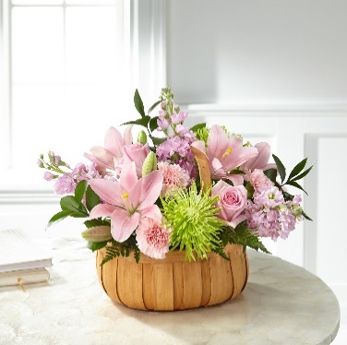
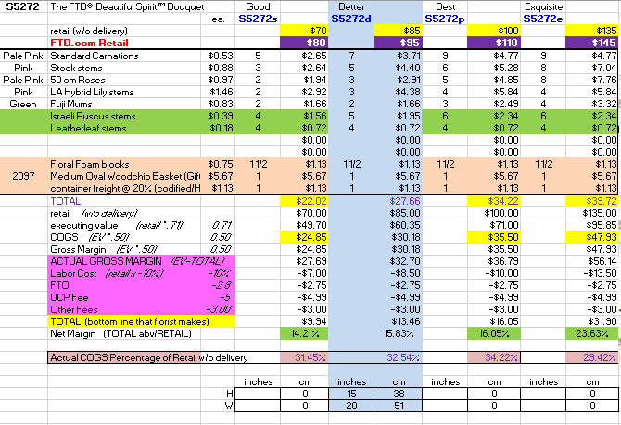
S5272 | Beautiful Spirit |  | Standard |  | Deluxe |  | Premium |  | Exquisite
 |  | ea. | S5272s |  | S5272d |  | S5272p |  | S5272e
 | retail (w/o delivery) |  |  | $70 |  | $85 |  | $100 |  | $135
 | FTD.com Retail |  |  | $80 |  | $95 |  | $110 |  | $145
Pink | Standard Carnations | $0.53 | 5 | $2.65 | 7 | $3.71 | 9 | $4.77 | 9 | $4.77
Pink | Stock stems | $0.88 | 3 | $2.64 | 5 | $4.40 | 6 | $5.28 | 8 | $7.04
Pink | 50 cm Roses | $0.97 | 2 | $1.94 | 3 | $2.91 | 5 | $4.85 | 8 | $7.76
Pink | LA Hybrid Lily stems | $1.46 | 2 | $2.92 | 3 | $4.38 | 4 | $5.84 | 4 | $5.84
Green | Fuji Mums | $0.83 | 2 | $1.66 | 2 | $1.66 | 3 | $2.49 | 4 | $3.32
 | Israeli Ruscus stems | $0.39 | 4 | $1.56 | 5 | $1.95 | 6 | $2.34 | 6 | $2.34
 | Leatherleaf stems | $0.18 | 4 | $0.72 | 4 | $0.72 | 4 | $0.72 | 4 | $0.72
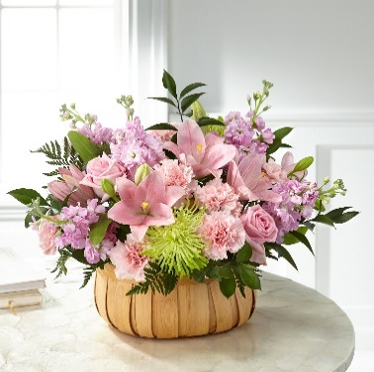
 |  |  |  | $0.00 |  | $0.00 |  | $0.00 |  | $0.00
 |  |  |  | $0.00 |  | $0.00 |  | $0.00 |  | $0.00
 | container freight @ 20% (codified/HIGH) | $1.13 | 1 | $1.13 | 1 | $1.13 | 1 | $1.13 | 1 | $1.13
 | Floral Foam blocks | $0.75 | 1.5 | $1.13 | 1.5 | $1.13 | 2 | $1.13 | 2 | $1.13
2097 | Medium Oval Woodchip Basket (Giftwares) | $5.67 | 1 | $5.67 | 1 | $5.67 | 1 | $5.67 | 1 | $5.67
 | TOTAL |  |  | $22.02 |  | $27.65 |  | $34.21 |  | $39.72
 | retail (w/o delivery) |  |  | $70.00 |  | $85.00 |  | $100.00 |  | $135.00
 | executing value (retail * .71) | 0.71 |  | $49.70 |  | $60.35 |  | $71.00 |  | $95.85
 | COGS (EV * .50) | 0.50 |  | $24.85 |  | $30.17 |  | $35.50 |  | $47.93
 | Gross Margin (EV * .50) | 0.50 |  | $24.85 |  | $30.17 |  | $35.50 |  | $47.93
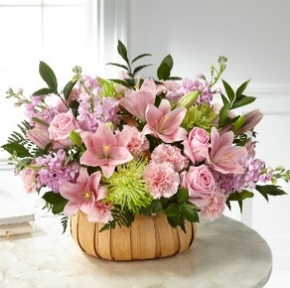
 | ACTUAL GROSS MARGIN (EV-TOTAL) |  |  | $27.68 |  | $32.70 |  | $36.79 |  | $56.13
 | Labor Cost (retail x -10%) | -10% |  | -$7.00 |  | -$8.50 |  | -$10.00 |  | -$13.50
 | FTO | -2.75 |  | -$2.75 |  | -$2.75 |  | -$2.75 |  | -$2.75
 | UCP Fee | -4.99 |  | -$4.99 |  | -$4.99 |  | -$4.99 |  | -$4.99
 | Other Fees | -3.00 |  | -$3.00 |  | -$3.00 |  | -$3.00 |  | -$3.00
 | TOTAL (bottom line that florist makes) |  |  | $9.94 |  | $13.45 |  | $16.05 |  | $31.89
 | Net Margin (TOTAL abv/RETAIL) |  |  | 14.21% |  | 15.83% |  | 16.05% |  | 23.63%

 | Actual COGS Percentage of Retail w/o delivery |  |  | 31.45% |  | 32.54% |  | 34.21% |  | 29.42%

 |  |  | inches | cm | inches | cm | inches | cm | inches | cm
 |  | H |  | 0 |  | 0 |  | 0 |  | 0
 |  | W |  | 0 |  | 0 |  | 0 |  | 0

 |  |  |  | 40% |  | 40% |  | 20% |  | 20%
 |  |  |  | #REF! |  | #REF! |  | #REF! |  | #REF!
EDAY 2023 PRICING
 |  | NEW 2023 |  | CDAY 2023
 | Alstroemeria stems | $0.62 | -$0.29 | $0.91
 | Asiatic Lily stems | $1.47 | -$0.07 | $1.54
 | Button Pompon stems | $0.63 | -$0.12 | $0.75
 | Cushion Pompon stems | $0.63 | -$0.12 | $0.75
 | Daisy Pompon stems | $0.63 | -$0.12 | $0.75
 | Double Lisianthus stems | $1.28 | -$0.32 | $1.60
 | Delphinium stems, Belladonna | $1.06 | -$0.44 | $1.50
 | Delphinium stems, hybrid | $1.26 | -$0.92 | $2.18
 | Disbud Stem | $0.84 | -$0.13 | $0.97
 | Gerbera Daisies | $1.14 | -$0.36 | $1.50
Blue | Hydrangea blooms | $2.30 | $0.02 | $2.28
Green | Mini Hydrangea blooms | $1.69 | $0.05 | $1.64
White | Hydrangea blooms | $2.14 | $0.00 | $2.14
 | Hypericum Berry stems | $0.77 | -$0.13 | $0.90
 | Iris stems | $1.13 | -$0.07 | $1.20
 | LA Hybrid Lily stems | $1.47 | -$0.17 | $1.64
 | Limonium Blue stream | $0.84 | -$0.31 | $1.15
 | Limonium Misty Blue | $0.84 |  | $1.41
 | Matsumoto Aster stems | $0.79 | -$0.05 | $0.84
 | Mini Calla Lilies | $1.65 | -$0.77 | $2.42
 | Mini Carnation stems | $0.51 | -$0.18 | $0.69
 | Monte Casino stems | $0.66 | $0.00 | $0.66
White | Queen Anne's Lace | $1.29 |  | $1.25
 | Ranunculus | $1.64 |  | $2.85
Orange | 50 cm Roses | $0.96 | -$0.08 | $1.04
Yellow | 50 cm Roses | $0.96 | -$0.12 | $1.08
Peach | 50 cm Roses | $0.96 | -$0.12 | $1.08
Pink | 50 cm Roses | $0.96 | -$0.19 | $1.15
Lavender | 50 cm Roses | $0.96 | -$0.12 | $1.08
White | 50 cm Roses | $0.96 | -$0.32 | $1.28
Red | 50 cm Roses | $0.87 | -$0.31 | $1.18
 | Snapdragon stems | $0.92 | -$0.28 | $1.20
 | Solidago stems | $0.63 | $0.06 | $0.57
 | Spider Mums | $0.84 | $0.00 | $0.84
 | Spray Rose stems | $0.90 | -$0.52 | $1.42
 | Standard Carnations | $0.53 | -$0.18 | $0.71
 | Star of Bethlehem stems | $0.85 |  | $1.18
 | Statice stems | $0.59 | -$0.15 | $0.74
 | Stock stems | $0.85 | -$0.13 | $0.98
 | Sweet William | $0.77 | -$0.25 | $1.02
 | Eryngium thistle stems | $1.40 | -$0.30 | $1.70
Green | Trick Dianthus stems | $0.94 | -$0.16 | $1.10
 | Waxflower stems | $1.41 | -$0.19 | $1.60

 | Baby Blue Eucalyptus stems | $0.99 | -$0.01 | $1.00
 | Dusty Miller Stems | $0.98 |  | $1.05
 | Gunni Eucalyptus stems | $1.09 | -$0.19 | $1.28
 | Silver dollar Eucalyptus stems | $2.10 | $0.00 | $2.10
 | Green Pittosporum stems | $0.67 | -$0.04 | $0.71
 | Israeli Ruscus stems | $0.35 | -$0.05 | $0.40
 | Italian Variegated Pittosporum stems | $0.82 | -$0.08 | $0.90
 | Salal tips | $0.26 | -$0.02 | $0.28
 | Seeded Eucalyptus stems | $2.10 | -$0.03 | $2.13
 | Variegated Pittosporum stems | $0.69 | -$0.05 | $0.74
 | Silver dollar Eucalyptus stems | $1.80 | $0.02 | $1.78
 | Green Pittosporum stems | $0.65 | $0.00 | $0.65
 | Israeli Ruscus stems | $0.37 | -$0.02 | $0.39
 | Italian Ruscus stems | $1.97 | $0.20 | $1.77
 | Italian Variegated Pittosporum stems | $1.03 | $0.13 | $0.90
 | Ivy vines | $0.65 | -$0.08 | $0.73
 | Leatherleaf stems | $0.17 | $0.00 | $0.17
 | Lily Grass blades | $0.34 | $0.00 | $0.34
 | Mini Myrtle stems | $0.95 | -$0.02 | $0.97
 | Myrtle stems | $0.80 | -$0.08 | $0.88
 | Salal stems | $0.44 | -$0.02 | $0.46
 | Salal tips | $0.23 | -$0.02 | $0.25
 | Seeded Eucalyptus stems | $1.80 | $0.02 | $1.78
 | Sword Fern fronds | $0.55 | $0.04 | $0.51
 | Ti leaves | $0.46 | -$0.01 | $0.47
 | Variegated Aspidistra leaves | $0.74 | -$0.04 | $0.78
 | Variegated Pittosporum stems | $0.67 | -$0.23 | $0.90

 | Hardgoods
 | Small Gold Dipped Vase | 7.17
 | Large Gold Dipped Vase | 11.75
 | Small Cinched Vase | 5.12
 | Large Cinched Vase | 5.94
 | White Wooded Box | 6.96
 | Brown Wood Box | 7

 | Small Gold Dipped Vase | 7.17
 | Large Gold Dipped Vase | 11.75
 | Small Cinched Vase | 5.12
 | Large Cinched Vase | 5.94
 | White Wooded Box | 6.96
 | Brown Wood Box | 7

V1R
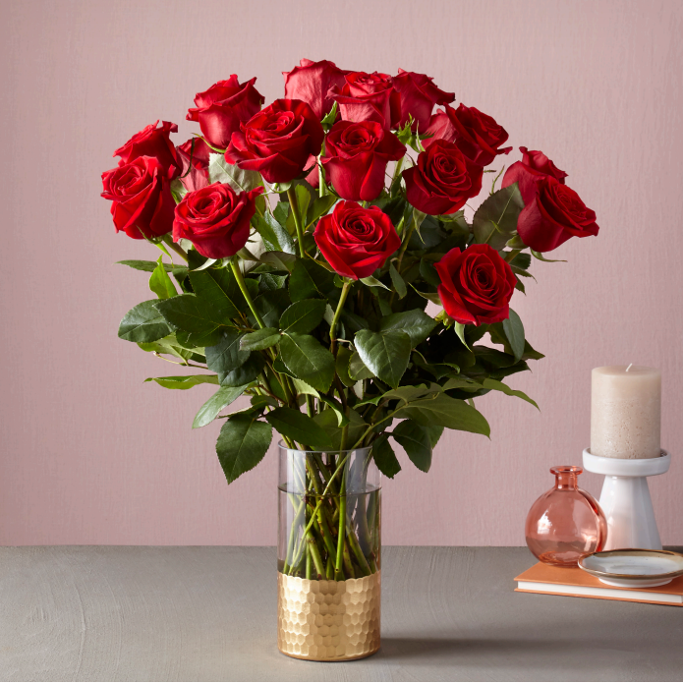
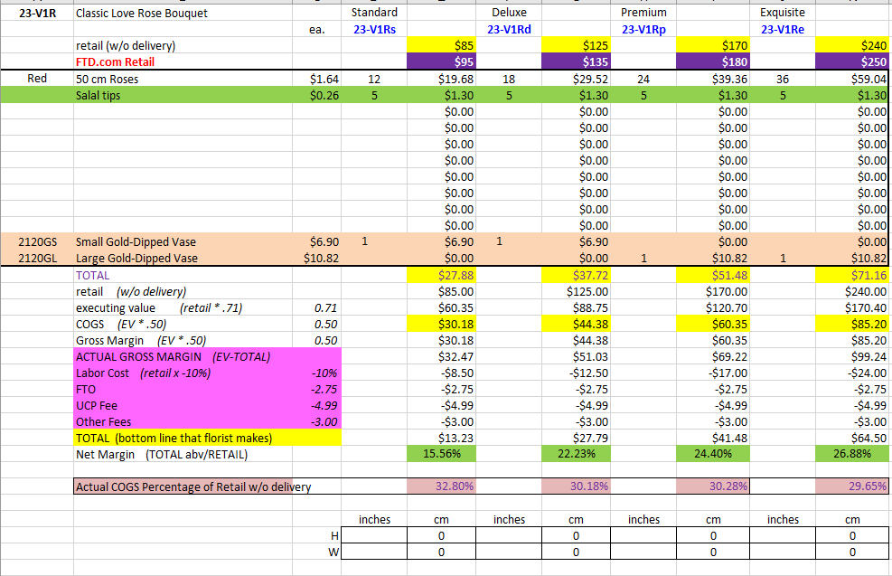
V1R | Classic Love Rose Bouquet |  | Standard |  | Deluxe |  | Premium |  | Exquisite
 |  | ea. | V1Rs |  | V1Rd |  | V1Rp |  | V1Re
 | retail (w/o delivery) |  |  | $85 |  | $125 |  | $170 |  | $240
 | FTD.com Retail |  |  | $95 |  | $135 |  | $180 |  | $250
Red | 50 cm Roses | $1.64 | 12 | $19.68 | 18 | $29.52 | 24 | $39.36 | 36 | $59.04
 | Salal tips | $0.26 | 5 | $1.30 | 5 | $1.30 | 5 | $1.30 | 5 | $1.30
 |  |  |  | $0.00 |  | $0.00 |  | $0.00 |  | $0.00
 |  |  |  | $0.00 |  | $0.00 |  | $0.00 |  | $0.00
 |  |  |  | $0.00 |  | $0.00 |  | $0.00 |  | $0.00
 |  |  |  | $0.00 |  | $0.00 |  | $0.00 |  | $0.00
 |  |  |  | $0.00 |  | $0.00 |  | $0.00 |  | $0.00
 |  |  |  | $0.00 |  | $0.00 |  | $0.00 |  | $0.00
 |  |  |  | $0.00 |  | $0.00 |  | $0.00 |  | $0.00
 |  |  |  | $0.00 |  | $0.00 |  | $0.00 |  | $0.00
2120GS | Small Gold-Dipped Vase | $6.90 | 1 | $6.90 | 1 | $6.90 |  | $0.00 |  | $0.00
2120GL | Large Gold-Dipped Vase | $10.82 |  | $0.00 |  | $0.00 | 1 | $10.82 | 1 | $10.82
 | TOTAL |  |  | $27.88 |  | $37.72 |  | $51.48 |  | $71.16
 | retail (w/o delivery) |  |  | $85.00 |  | $125.00 |  | $170.00 |  | $240.00
 | executing value (retail * .71) | 0.71 |  | $60.35 |  | $88.75 |  | $120.70 |  | $170.40
 | COGS (EV * .50) | 0.50 |  | $30.17 |  | $44.38 |  | $60.35 |  | $85.20
 | Gross Margin (EV * .50) | 0.50 |  | $30.17 |  | $44.38 |  | $60.35 |  | $85.20
 | ACTUAL GROSS MARGIN (EV-TOTAL) |  |  | $32.47 |  | $51.03 |  | $69.22 |  | $99.24
 | Labor Cost (retail x -10%) | -10% |  | -$8.50 |  | -$12.50 |  | -$17.00 |  | -$24.00
 | FTO | -2.75 |  | -$2.75 |  | -$2.75 |  | -$2.75 |  | -$2.75
 | UCP Fee | -4.99 |  | -$4.99 |  | -$4.99 |  | -$4.99 |  | -$4.99
 | Other Fees | -3.00 |  | -$3.00 |  | -$3.00 |  | -$3.00 |  | -$3.00
 | TOTAL (bottom line that florist makes) |  |  | $13.23 |  | $27.79 |  | $41.48 |  | $64.50
 | Net Margin (TOTAL abv/RETAIL) |  |  | 15.56% |  | 22.23% |  | 24.40% |  | 26.87%

 | Actual COGS Percentage of Retail w/o delivery |  |  | 32.80% |  | 30.18% |  | 30.28% |  | 29.65%

 |  |  | inches | cm | inches | cm | inches | cm | inches | cm
 |  | H |  | 0 |  | 0 |  | 0 |  | 0
 |  | W |  | 0 |  | 0 |  | 0 |  | 0

 |  |  |  | 40% |  | 40% |  | 20% |  | 20%
 |  |  |  | #REF! |  | #REF! |  | #REF! |  | #REF!
EDAY 2023 PRICING
 |  | NEW 2023 |  | CDAY 2023
 | Alstroemeria stems | $0.62 | -$0.29 | $0.91
 | Asiatic Lily stems | $1.47 | -$0.07 | $1.54
 | Button Pompon stems | $0.63 | -$0.12 | $0.75
 | Cushion Pompon stems | $0.63 | -$0.12 | $0.75
 | Daisy Pompon stems | $0.63 | -$0.12 | $0.75
 | Double Lisianthus stems | $1.28 | -$0.32 | $1.60
 | Delphinium stems, Belladonna | $1.06 | -$0.44 | $1.50
 | Delphinium stems, hybrid | $1.26 | -$0.92 | $2.18
 | Disbud Stem | $0.84 | -$0.13 | $0.97
 | Gerbera Daisies | $1.14 | -$0.36 | $1.50
Blue | Hydrangea blooms | $2.30 | $0.02 | $2.28
Green | Mini Hydrangea blooms | $1.69 | $0.05 | $1.64
White | Hydrangea blooms | $2.14 | $0.00 | $2.14
 | Hypericum Berry stems | $0.77 | -$0.13 | $0.90
 | Iris stems | $1.13 | -$0.07 | $1.20
 | LA Hybrid Lily stems | $1.47 | -$0.17 | $1.64
 | Limonium Blue stream | $0.84 | -$0.31 | $1.15
 | Limonium Misty Blue | $0.84 |  | $1.41
 | Matsumoto Aster stems | $0.79 | -$0.05 | $0.84
 | Mini Calla Lilies | $1.65 | -$0.77 | $2.42
 | Mini Carnation stems | $0.51 | -$0.18 | $0.69
 | Monte Casino stems | $0.66 | $0.00 | $0.66
White | Queen Anne's Lace | $1.29 |  | $1.25
 | Ranunculus | $1.64 |  | $2.85
Orange | 50 cm Roses | $0.96 | -$0.08 | $1.04
Yellow | 50 cm Roses | $0.96 | -$0.12 | $1.08
Peach | 50 cm Roses | $0.96 | -$0.12 | $1.08
Pink | 50 cm Roses | $0.96 | -$0.19 | $1.15
Lavender | 50 cm Roses | $0.96 | -$0.12 | $1.08
White | 50 cm Roses | $0.96 | -$0.32 | $1.28
Red | 50 cm Roses | $0.87 | -$0.31 | $1.18
 | Snapdragon stems | $0.92 | -$0.28 | $1.20
 | Solidago stems | $0.63 | $0.06 | $0.57
 | Spider Mums | $0.84 | $0.00 | $0.84
 | Spray Rose stems | $0.90 | -$0.52 | $1.42
 | Standard Carnations | $0.53 | -$0.18 | $0.71
 | Star of Bethlehem stems | $0.85 |  | $1.18
 | Statice stems | $0.59 | -$0.15 | $0.74
 | Stock stems | $0.85 | -$0.13 | $0.98
 | Sweet William | $0.77 | -$0.25 | $1.02
 | Eryngium thistle stems | $1.40 | -$0.30 | $1.70
Green | Trick Dianthus stems | $0.94 | -$0.16 | $1.10
 | Waxflower stems | $1.41 | -$0.19 | $1.60

 | Baby Blue Eucalyptus stems | $0.99 | -$0.01 | $1.00
 | Dusty Miller Stems | $0.98 |  | $1.05
 | Gunni Eucalyptus stems | $1.09 | -$0.19 | $1.28
 | Silver dollar Eucalyptus stems | $2.10 | $0.00 | $2.10
 | Green Pittosporum stems | $0.67 | -$0.04 | $0.71
 | Israeli Ruscus stems | $0.35 | -$0.05 | $0.40
 | Italian Variegated Pittosporum stems | $0.82 | -$0.08 | $0.90
 | Salal tips | $0.26 | -$0.02 | $0.28
 | Seeded Eucalyptus stems | $2.10 | -$0.03 | $2.13
 | Variegated Pittosporum stems | $0.69 | -$0.05 | $0.74
 | Silver dollar Eucalyptus stems | $1.80 | $0.02 | $1.78
 | Green Pittosporum stems | $0.65 | $0.00 | $0.65
 | Israeli Ruscus stems | $0.37 | -$0.02 | $0.39
 | Italian Ruscus stems | $1.97 | $0.20 | $1.77
 | Italian Variegated Pittosporum stems | $1.03 | $0.13 | $0.90
 | Ivy vines | $0.65 | -$0.08 | $0.73
 | Leatherleaf stems | $0.17 | $0.00 | $0.17
 | Lily Grass blades | $0.34 | $0.00 | $0.34
 | Mini Myrtle stems | $0.95 | -$0.02 | $0.97
 | Myrtle stems | $0.80 | -$0.08 | $0.88
 | Salal stems | $0.44 | -$0.02 | $0.46
 | Salal tips | $0.23 | -$0.02 | $0.25
 | Seeded Eucalyptus stems | $1.80 | $0.02 | $1.78
 | Sword Fern fronds | $0.55 | $0.04 | $0.51
 | Ti leaves | $0.46 | -$0.01 | $0.47
 | Variegated Aspidistra leaves | $0.74 | -$0.04 | $0.78
 | Variegated Pittosporum stems | $0.67 | -$0.23 | $0.90

 | Hardgoods
 | Small Gold Dipped Vase | 7.17
 | Large Gold Dipped Vase | 11.75
 | Small Cinched Vase | 5.12
 | Large Cinched Vase | 5.94
 | White Wooded Box | 6.96
 | Brown Wood Box | 7

 |  |  |  |  | 1 | $0.00 | 1 | $0.00 | 1 | $0.00

 |  |  |  |  | 1 | $0.00 |  | $0.00 |  | $0.00
 |  |  |  |  |  | $0.00 | 1 | $0.00 | 1 | $0.00

 |  |  |  |  | 1 | $0.00 | 1 | $0.00 | 1 | $0.00

 |  |  |  |  | 1 | $0.00 | 1 | $0.00 | 1 | $0.00

V5441
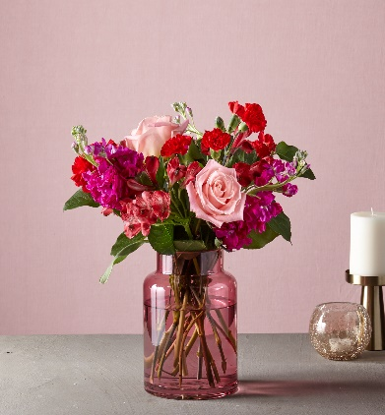
V5441 | Cupid's Crush Bouquet |  | Good |  | Better |  | Best |  | Exquisite
 |  | ea. | V5441s |  | V5441d |  | V5441p |  | V5441e
FTD | retail (w/o delivery) |  |  | $55 |  | $67 |  | $85 |  | $115 | changed ro red glass vase
 | FTD.com Retail |  |  | $65 |  | $77 |  | $95 |  | $125 | did NOT touch pricing
Hot Pink | Stock stems | $1.19 | 3 | $3.57 | 4 | $4.76 | 5 | $5.95 | 5 | $5.95
Red | Alstroemeria stems | $0.76 | 3 | $2.28 | 3 | $2.28 | 4 | $3.04 | 4 | $3.04
Pink | 50 cm Roses | $1.18 | 2 | $2.36 | 3 | $3.54 | 4 | $4.72 | 10 | $11.80
Red | Mini Carnation stems | $0.56 | 2 | $1.12 | 3 | $1.68 | 4 | $2.24 | 4 | $2.24
Red | Standard Carnations | $0.57 | 2 | $1.14 | 3 | $1.71 | 4 | $2.28 | 4 | $2.28
 | Salal tips | $0.25 | 3 | $0.75 | 3 | $0.75 | 3 | $0.75 | 3 | $0.75
 |  |  |  | $0.00 |  | $0.00 |  | $0.00 |  | $0.00
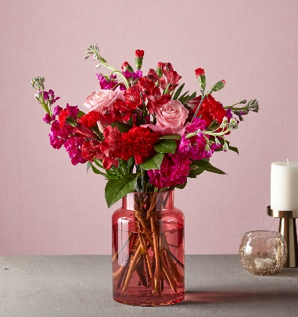
 |  |  |  | $0.00 |  | $0.00 |  | $0.00 |  | $0.00
 |  |  |  | $0.00 |  | $0.00 |  | $0.00 |  | $0.00
 |  |  |  | $0.00 |  | $0.00 |  | $0.00 |  | $0.00
 |  |  |  | $0.00 |  | $0.00 |  | $0.00 |  | $0.00
G3833 | Red Glass Vase | $4.00 | 1 | $4.00 | 1 | $4.00 | 1 | $4.00 | 1 | $4.00
 | TOTAL |  |  | $15.22 |  | $18.72 |  | $22.98 |  | $30.06
 | retail (w/o delivery) |  |  | $55.00 |  | $67.00 |  | $85.00 |  | $115.00
 | executing value (retail * .73) | 0.73 |  | $40.15 |  | $48.91 |  | $62.05 |  | $83.95
 | COGS (EV * .50) | 0.50 |  | $20.08 |  | $24.46 |  | $31.03 |  | $41.98
 | Gross Margin (EV * .50) | 0.50 |  | $20.08 |  | $24.46 |  | $31.03 |  | $41.98
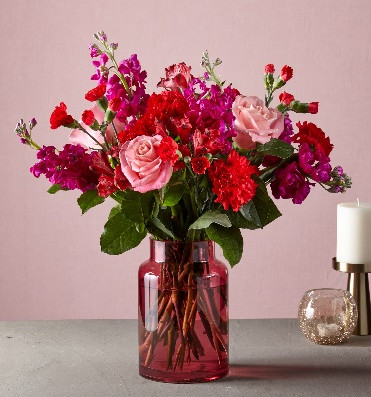
 | ACTUAL GROSS MARGIN (EV-TOTAL) |  |  | $24.93 |  | $30.19 |  | $39.07 |  | $53.89
 | Labor Cost (retail x -10%) | -10% |  | -$5.50 |  | -$6.70 |  | -$8.50 |  | -$11.50
 | FTO | -2.75 |  | -$2.75 |  | -$2.75 |  | -$2.75 |  | -$2.75
 | UCP Fee | -4.99 |  | -$4.99 |  | -$4.99 |  | -$4.99 |  | -$4.99
 | Other Fees | -3.00 |  | -$3.00 |  | -$3.00 |  | -$3.00 |  | -$3.00
 | TOTAL (bottom line that florist makes) |  |  | $8.69 |  | $12.75 |  | $19.83 |  | $31.65
 | Net Margin (TOTAL abv/RETAIL) |  |  | 15.80% |  | 19.03% |  | 23.33% |  | 27.52%

 | Actual COGS Percentage of Retail w/o delivery |  |  | 27.67% |  | 27.94% |  | 27.04% |  | 26.14%

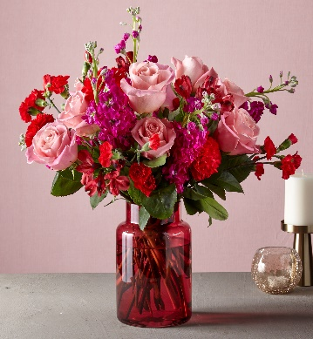
 |  |  | inches | cm | inches | cm | inches | cm | inches | cm
 |  | H | 14 | 36 | 16 | 41 | 19 | 48 | 20 | 51
 |  | W | 15 | 38 | 15 | 38 | 17 | 43 | 18 | 46

 |  |  |  | 40% |  | 40% |  | 20% |  | 20%
 |  |  |  | #REF! |  | #REF! |  | #REF! |  | #REF!
VAL PRICING - 2022
 |  | NEW 2022 |  | NEW 2021
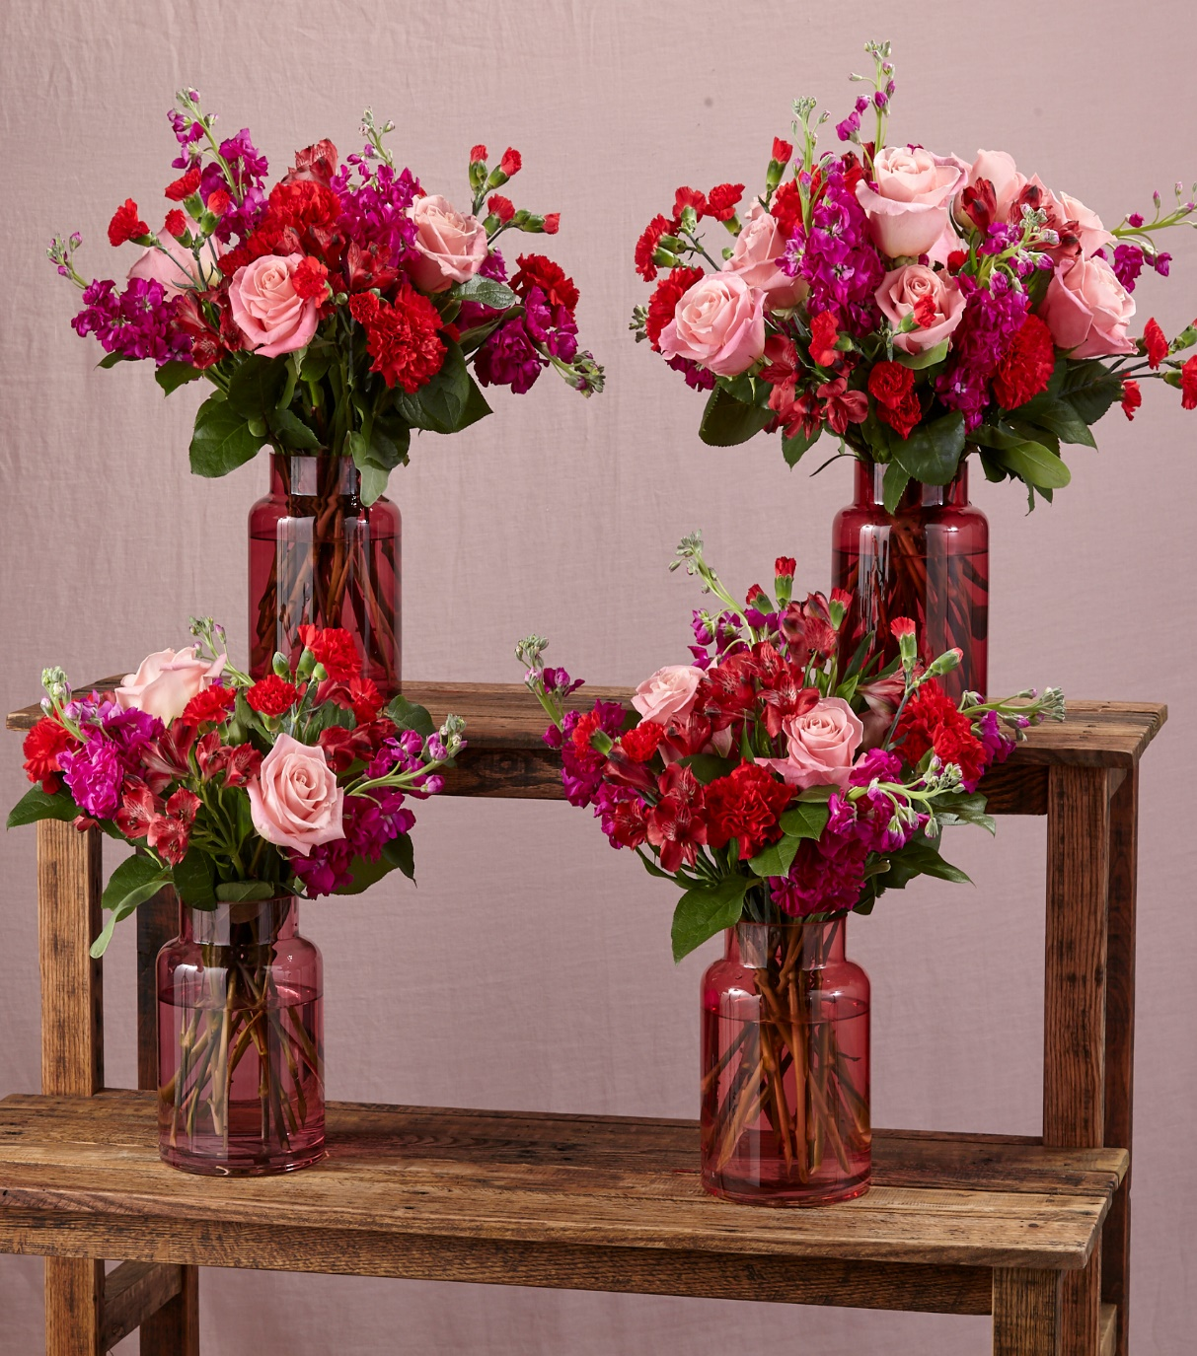
 | Alstroemeria stems | $0.76 | $0.03 | $0.73
 | Asiatic Lily stems | $1.51 | $0.10 | $1.41
 | Bells of Ireland | $0.85
 | Button Pompon stems | $0.61 | $0.04 | $0.57
 | Craspedia | $0.85
 | Cushion Pompon stems | $0.61 | $0.04 | $0.57
 | Daisy Pompon stems | $0.61 | $0.04 | $0.57
 | Dendrobium belladona Stems | $1.10
 | Dendrobium hybrid Stems | $1.37
 | Dendrobium Orchid Stems | $2.41 | $0.14 | $2.27
 | Double Lisianthus stems | $1.36 | $0.15 | $1.21
 | Disbud Mums | $0.90 | $0.90
 | Gerbera Daisies | $1.29 | $0.05 | $1.24
Blue | Hydrangea blooms | $2.00 | $0.02 | $1.98
Green | Mini Hydrangea blooms | $1.57 |  | $1.46
Pink | Hydrangea blooms | $6.02 | $0.84 | $5.18
Purple | Hydrangea blooms | $6.49 | $0.54 | $5.95
White | Hydrangea blooms | $1.98 | $0.08 | $1.90
 | Hypericum Berry stems | $0.91 | $0.03 | $0.88
 | Iris stems | $0.92 | $0.04 | $0.88
 | LA Hybrid Lily stems | $1.51 | $0.10 | $1.41
 | Liatris | $0.91
 | Larkspur stems | $1.62 | $0.35 | $1.27
 | Limonium Blue stream | $1.10 | $1.10
 | Limonium Misty Blue
 | Matsumoto Aster stems | $0.79 | $0.06 | $0.73
 | Mini Calla Lilies | $2.42 | $0.02 | $2.40
 | Mini Carnation stems | $0.56 | $0.02 | $0.54
 | Mokara Orchid Stems | $2.64 | $0.23 | $2.41
 | Monte Casino stems | $0.67 | $0.07 | $0.60
Pink | Oriental Lily stems | $2.13 | $0.16 | $1.97
White | Oriental Lily stems | $2.13 | $0.24 | $1.89
White | Queen Anne's Lace | N/A
 | Ranunculus | $1.90
 | 50 cm Roses (Asstd) | $1.40 | $0.52 | $0.88
Orange | 50 cm Roses | $1.07 | $0.03 | $1.04
Yellow | 50 cm Roses | $1.09 | $0.05 | $1.04
Peach | 50 cm Roses | $1.18 | $0.04 | $1.14
Pink | 50 cm Roses | $1.18 | $0.04 | $1.14
Lavender | 50 cm Roses | $1.18 | $0.04 | $1.14
White | 50 cm Roses | $1.18 | $0.04 | $1.14
Red | 50 cm Roses | $1.54 | $0.04 | $1.50
 | Snapdragon stems | $1.49 | $0.21 | $1.28
 | Solidago stems | $0.64 | $0.07 | $0.57
 | Spider Mums | $0.90 | $0.25 | $0.65
 | Spray Rose stems | $1.12 | $0.12 | $1.00
 | Standard Carnations | $0.57 | $0.02 | $0.55
 | Starfighter Lily stems | $2.13 | $0.16 | $1.97
 | Stargazer Lily stems |  | -$2.99 | $2.99
 | Statice stems | $0.69 | $0.06 | $0.63
 | Statice, seafoam stems
 | Stock stems | $1.19 | $0.14 | $1.05
 | Sunflowers |  | -$1.21 | $1.21
 | Sweet William | $0.83 | -$0.38 | $1.21
 | Tulips | $1.10 | $0.16 | $0.94
 | Thistle eringium stems | $1.52
Blue | Trachelium stems | $0.93 | $0.09 | $0.84
Green | Trick Dianthus stems | $0.97 |  | $0.95
 | Veronica | $1.04
 | Waxflower stems | $1.22 | $0.05 | $1.17

 | Aspidistra leaves | $0.45 | $0.02 | $0.43
 | Baby Blue Eucalyptus stems | $0.88 | $0.05 | $0.83
 | Bear Grass blades | $0.08 | $0.01 | $0.07
 | Curly Willow tips | $0.89 | $0.02 | $0.87
 | Gunni Eucalyptus stems | $1.11
 | Silver dollar Eucalyptus stems | $1.78
 | Green Pittosporum stems | $0.65 | $0.02 | $0.63
 | Israeli Ruscus stems | $0.39 | $0.01 | $0.38
 | Italian Ruscus stems | $1.77 | $0.02 | $1.75
 | Italian Variegated Pittosporum stems | $0.90 | $0.02 | $0.88
 | Ivy vines | $0.73 | $0.01 | $0.72
 | Leatherleaf stems | $0.17 | $0.01 | $0.16
 | Lily Grass blades | $0.34 | $0.01 | $0.33
 | Mini Myrtle stems | $0.97 | $0.03 | $0.94
 | Myrtle stems | $0.88 | $0.02 | $0.86
 | Salal stems | $0.46 | -$0.14 | $0.60
 | Salal tips | $0.25 | $0.03 | $0.22
 | Seeded Eucalyptus stems | $1.78 | $0.04 | $1.74
 | Sword Fern fronds | $0.51 | $0.01 | $0.50
 | Ti leaves | $0.47 | $0.00 | $0.47
 | Variegated Aspidistra leaves | $0.78 | $0.08 | $0.70
 | Variegated Pittosporum stems | $0.90 | $0.25 | $0.65

 | Hardgoods
 | Small Gold Dipped Vase | 7.17
 | Large Gold Dipped Vase | 11.75
 | Small Cinched Vase | 4.7
 | Large Cinched Vase | 5.52
 | White Wooded Box | 6.96
 | Brown Wood Box | 7

